Application Retrieval - Menu
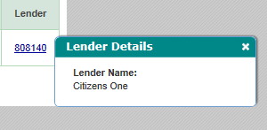
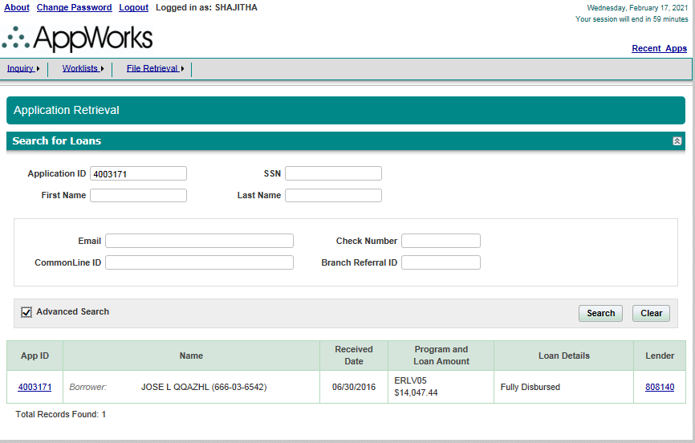
Page | Section | ScreenFields | Comments | Database Schema | Database Table | Database Column | Derivation Logic (If a derived field) | Comments | All Loan Programs | Priority
Application Retrieval | Search For Loans | Application ID |  |  |  |  |  |  |  | 1-Must Have
Application Retrieval | Search For Loans | SSN |  |  |  |  |  |  |  | 1-Must Have
Application Retrieval | Search For Loans | First Name |  |  |  |  |  |  |  | 1-Must Have
Application Retrieval | Search For Loans | Last Name |  |  |  |  |  |  |  | 1-Must Have
Application Retrieval | Advanced Search | Email |  |  |  |  |  |  |  | 3-Not Needed
Application Retrieval | Advanced Search | Check Number |  |  |  |  |  |  |  | 3-Not Needed
Application Retrieval | Advanced Search | Common Line ID |  |  |  |  |  |  |  | 3-Not Needed
Application Retrieval | Advanced Search | Branch Referral ID |  |  |  |  |  |  |  | 3-Not Needed
Application Retrieval | Search Result | AppID | Hyperlink which navigates to Application Dashboard |  |  |  |  |  |  | 1-Must Have
Application Retrieval | Search Result | BorrowerName |  |  |  |  |  |  |  | 1-Must Have
Application Retrieval | Search Result | Received Date |  |  |  |  |  |  |  | 1-Must Have
Application Retrieval | Search Result | Program and Loan Amount |  |  |  |  |  |  |  | 1-Must Have
Application Retrieval | Search Result | Loan Details |  |  |  |  |  |  |  | 1-Must Have
Application Retrieval | Search Result | Lender * | Hyperlink which opens a pop up with Lender Name |  |  |  |  |  |  | 1-Must Have

 |  | * Lender information is needed, hyperlink is not needed

Dashboard
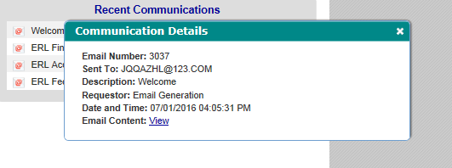
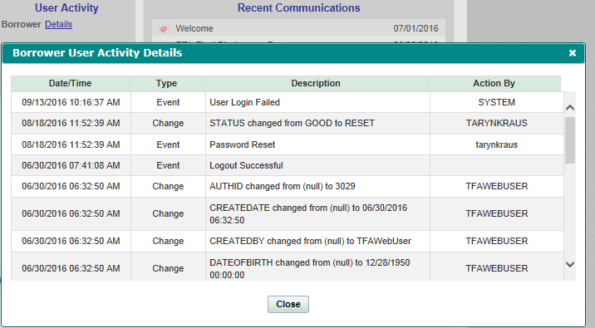
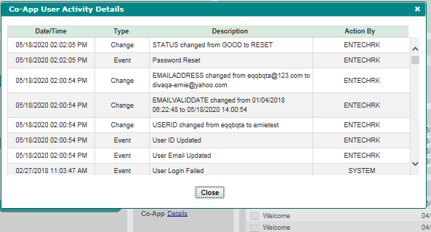
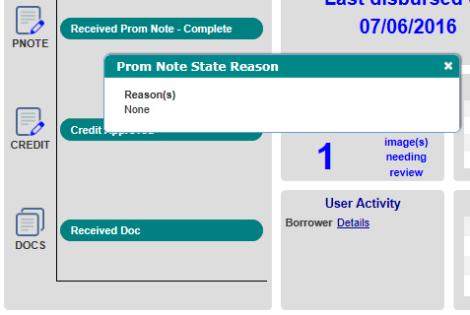
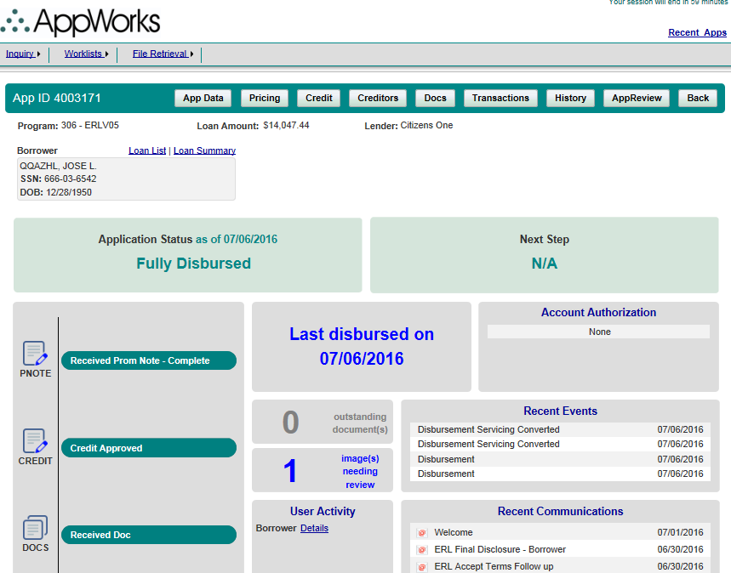
Page | Section | ScreenFields | Comments | Database Schema | Database Table | Database Column | Derivation Logic (If a derived field) | Comments | ERLV/ERLF | ParentERLV/ParentERLF | StuV/StuF/MYStu/MYStuAdd | PLV/PLF/MYPL/MYPLAdd | Apple | Harvard | BarStudy | ResidencyV/ResidencyF/MYResidency/MYResidencyAdd | Personal | Priority
Dashboard | Main Section | AppId |  |  |  |  |  |  |  |  |  |  |  |  |  |  |  | 1-Must Have
Dashboard | Main Section | Program |  |  |  |  |  |  |  |  |  |  |  |  |  |  |  | 1-Must Have
Dashboard | Main Section | Loan Amount |  |  |  |  |  |  |  |  |  |  |  |  |  |  |  | 1-Must Have
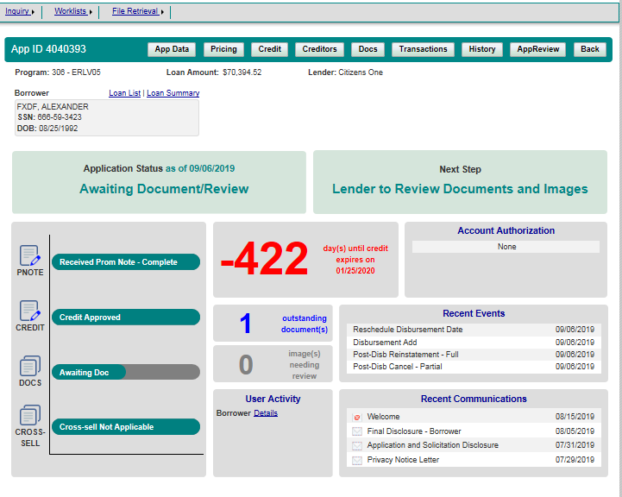
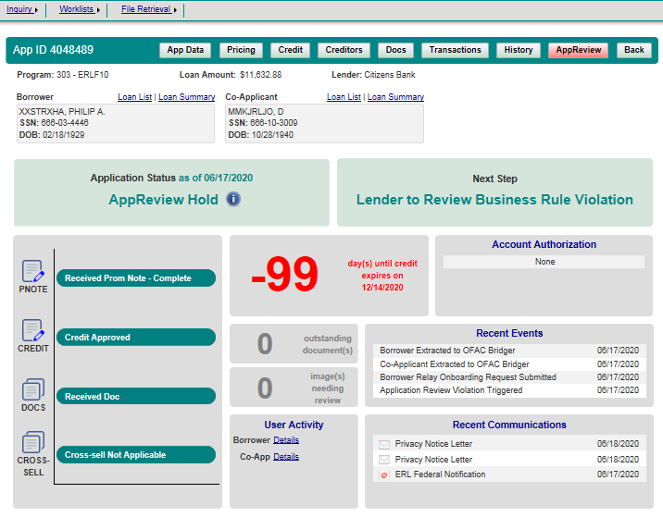
Dashboard | Main Section | Lender |  |  |  |  |  |  |  |  |  |  |  |  |  |  |  | 1-Must Have
Dashboard | Borrower | Borrower Name |  |  |  |  |  |  |  |  |  |  |  |  |  |  |  | 1-Must Have
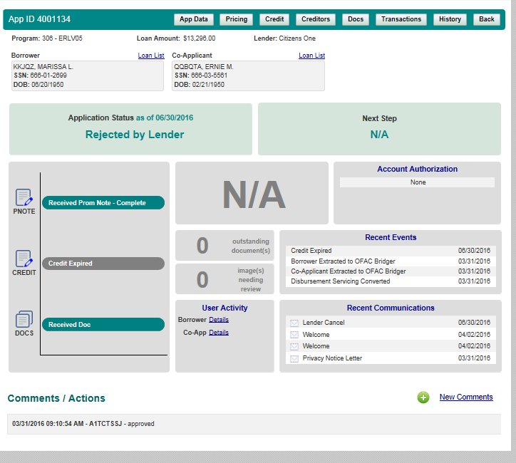
Dashboard | Borrower | SSN |  |  |  |  |  |  |  |  |  |  |  |  |  |  |  | 1-Must Have
Dashboard | Borrower | DOB |  |  |  |  |  |  |  |  |  |  |  |  |  |  |  | 1-Must Have
Dashboard | Borrower | Loan List |  |  |  |  |  |  |  |  |  |  |  |  |  |  |  | 1-Must Have
Dashboard | Borrower | Loan Summary | Not available if Loan status is rejected by Lender |  |  |  |  |  |  |  |  |  |  |  |  |  |  | 3-Not Needed
Dashboard | Co-applicant | Co-applicant Name | If Loan has co-applicant |  |  |  |  |  |  |  |  |  |  |  |  |  |  | 1-Must Have
Dashboard | Co-applicant | SSN | If Loan has co-applicant |  |  |  |  |  |  |  |  |  |  |  |  |  |  | 1-Must Have
Dashboard | Co-applicant | DOB | If Loan has co-applicant |  |  |  |  |  |  |  |  |  |  |  |  |  |  | 1-Must Have
Dashboard | Co-applicant | Loan List | If Loan has co-applicant |  |  |  |  |  |  |  |  |  |  |  |  |  |  | 1-Must Have
Dashboard | Co-applicant | Loan Summary | Not available if Loan status is rejected by Lender |  |  |  |  |  |  |  |  |  |  |  |  |  |  | 3-Not Needed
Dashboard | Student | Student Name |  |  |  |  |  |  |  |  |  |  |  |  |  |  |  | 1-Must Have
Dashboard | Student | SSN |  |  |  |  |  |  |  |  |  |  |  |  |  |  |  | 1-Must Have
Dashboard | Student | DOB |  |  |  |  |  |  |  |  |  |  |  |  |  |  |  | 1-Must Have
Dashboard | Student | Loan List |  |  |  |  |  |  |  |  |  |  |  |  |  |  |  | 1-Must Have
Dashboard | Application Status | Datetime | The recent datetime when loan status changed |  |  |  |  |  |  |  |  |  |  |  |  |  |  | 1-Must Have
Dashboard | Application Status | Status |  |  |  |  |  |  |  |  |  |  |  |  |  |  |  | 1-Must Have
Dashboard | Next Step | Next Phase |  |  |  |  |  |  |  |  |  |  |  |  |  |  |  | 3-Not Needed
Dashboard | Last Disbursed On | Date of disbursement | Credit Aging/Disbursement Information |  |  |  |  |  |  |  |  |  |  |  |  |  |  | 1-Must Have
Dashboard | Account Authorization |  |  |  |  |  |  |  |  |  |  |  |  |  |  |  |  | 1-Must Have
Dashboard | Outstanding Documents | Doc links |  |  |  |  |  |  |  |  |  |  |  |  |  |  |  | 3-Not Needed
Dashboard | Image(s) Needing Review | Doc links |  |  |  |  |  |  |  |  |  |  |  |  |  |  |  | 3-Not Needed
Dashboard | User Activity | Datetime | User activity is a hyperlink which when clicked shows the following info.Captures the user acitivities on the application. It captures the login, logout time, fields edited by the user etc |  |  |  |  |  |  |  |  |  |  |  |  |  |  | 1-Must Have
Dashboard | User Activity | Type | Table |  |  |  |  |  |  |  |  |  |  |  |  |  |  | 1-Must Have
Dashboard | User Activity | Description | Table |  |  |  |  |  |  |  |  |  |  |  |  |  |  | 1-Must Have
Dashboard | User Activity | Action By | Table |  |  |  |  |  |  |  |  |  |  |  |  |  |  | 1-Must Have
Dashboard | Co-Applicant Activity | Datetime | If Loan has co-applicant |  |  |  |  |  |  |  |  |  |  |  |  |  |  | 1-Must Have
Dashboard | Co-Applicant Activity | Type | If Loan has co-applicant |  |  |  |  |  |  |  |  |  |  |  |  |  |  | 1-Must Have
Dashboard | Co-Applicant Activity | Description | If Loan has co-applicant |  |  |  |  |  |  |  |  |  |  |  |  |  |  | 1-Must Have
Dashboard | Co-Applicant Activity | Action By | If Loan has co-applicant |  |  |  |  |  |  |  |  |  |  |  |  |  |  | 1-Must Have
Dashboard | Recent Events | Event Code | Clickable - List the most recent events. When clicked on each event it shows the following infromation |  |  |  |  |  |  |  |  |  |  |  |  |  |  | 3-Not Needed | These should be part of History
Dashboard | Recent Events | Description |  |  |  |  |  |  |  |  |  |  |  |  |  |  |  | 3-Not Needed | These should be part of History
Dashboard | Recent Events | Requestor |  |  |  |  |  |  |  |  |  |  |  |  |  |  |  | 3-Not Needed | These should be part of History
Dashboard | Recent Events | Date and Time |  |  |  |  |  |  |  |  |  |  |  |  |  |  |  | 3-Not Needed | These should be part of History
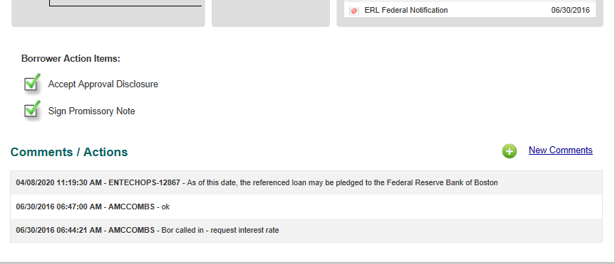
Dashboard | Recent Communications | Email Number |  |  |  |  |  |  |  |  |  |  |  |  |  |  |  | 3-Not Needed | These should be part of History
Dashboard | Recent Communications | Sent To |  |  |  |  |  |  |  |  |  |  |  |  |  |  |  | 3-Not Needed | These should be part of History
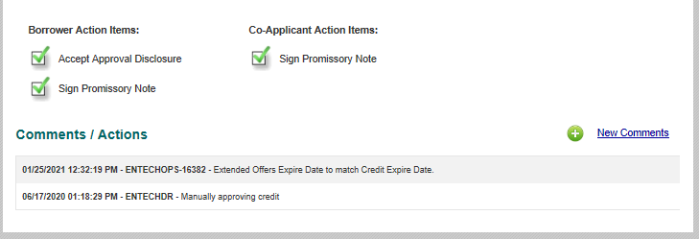
Dashboard | Recent Communications | Description |  |  |  |  |  |  |  |  |  |  |  |  |  |  |  | 3-Not Needed | These should be part of History
Dashboard | Recent Communications | Requestor |  |  |  |  |  |  |  |  |  |  |  |  |  |  |  | 3-Not Needed | These should be part of History
Dashboard | Recent Communications | Date and Time |  |  |  |  |  |  |  |  |  |  |  |  |  |  |  | 3-Not Needed | These should be part of History
Dashboard | Recent Communications | Email Content |  |  |  |  |  |  |  |  |  |  |  |  |  |  |  | 3-Not Needed | These should be part of History
Dashboard | Borrower Action Items | Accept Approval Disclosure | If Borrower has completed action items |  |  |  |  |  |  |  |  |  |  |  |  |  |  | 2-Good To Have
Dashboard | Borrower Action Items | Sign Promisory Note | If Borrower has completed action items |  |  |  |  |  |  |  |  |  |  |  |  |  |  | 2-Good To Have
Dashboard | Borrower Action Items | Complete Self Certification |  |  |  |  |  |  |  |  |  |  |  |  |  |  |  | 2-Good To Have
Dashboard | Borrower Action Items | Accept Truth In Lending |  |  |  |  |  |  |  |  |  |  |  |  |  |  |  | 2-Good To Have
Dashboard | Co-Applicant Action Items | Accept Approval Disclosure | If Co-applicant has completed action items |  |  |  |  |  |  |  |  |  |  |  |  |  |  | 2-Good To Have
Dashboard | Co-Applicant Action Items | Sign Promisory Note | If Co-applicant has completed action items |  |  |  |  |  |  |  |  |  |  |  |  |  |  | 2-Good To Have
Dashboard | Co-Applicant Action Items | Comple Self Certification | If Co-applicant has completed action items |  |  |  |  |  |  |  |  |  |  |  |  |  |  | 2-Good To Have
Dashboard | Co-Applicant Action Items | Accept Truth In Lending |  |  |  |  |  |  |  |  |  |  |  |  |  |  |  | 2-Good To Have
Dashboard | Comments/Actions | Datetime |  |  |  |  |  |  |  |  |  |  |  |  |  |  |  | 1-Must Have
Dashboard | Comments/Actions | ?(User who entered comments) |  |  |  |  |  |  |  |  |  |  |  |  |  |  |  | 1-Must Have
Dashboard | Comments/Actions | Comments |  |  |  |  |  |  |  |  |  |  |  |  |  |  |  | 1-Must Have |  | App Status - Rejected by Lender(No Loan Summary link , App Review Tab )
Dashboard | Prom Note Status | Prom Note State Reason |  |  |  |  |  |  |  |  |  |  |  |  |  |  |  | 1-Must Have
Dashboard | Credit Status | Credit State Reason |  |  |  |  |  |  |  |  |  |  |  |  |  |  |  | 1-Must Have
Dashboard | Documents Status | Document State Reason |  |  |  |  |  |  |  |  |  |  |  |  |  |  |  | 1-Must Have
Dashboard | Cross-Sell Status |  | If Cross sell option is available |  |  |  |  |  |  |  |  |  |  |  |  |  |  | 1-Must Have
Dashboard | School Certification Status |  |  |  |  |  |  |  |  |  |  |  |  |  |  |  |  | 1-Must Have
Dashboard | Funding Status |  |  |  |  |  |  |  |  |  |  |  |  |  |  |  |  | 1-Must Have

AppData-Tab
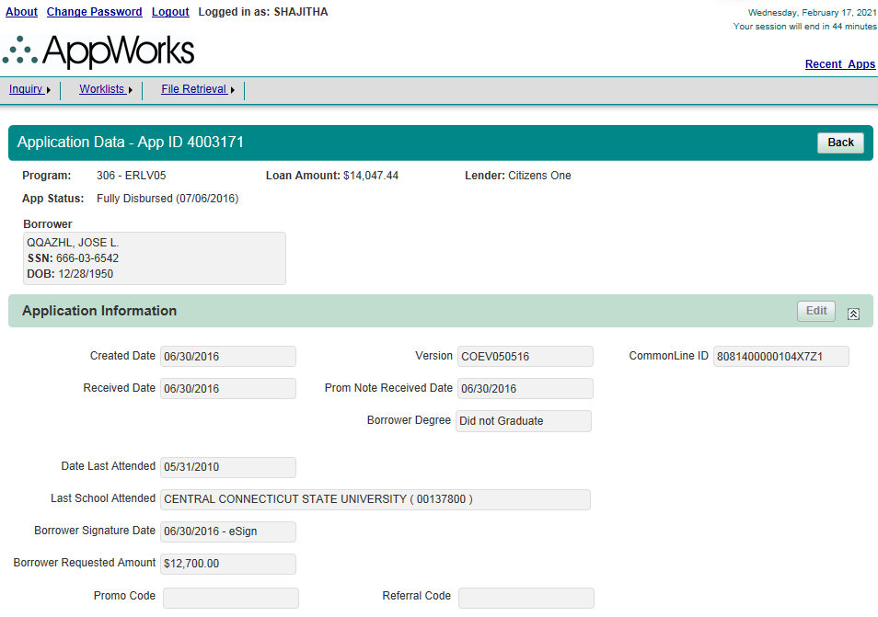
Page | Section | ScreenFields | Comments | Database Schema | Database Table | Database Column | Derivation Logic (If a derived field) | Comments | ERLV/ERLF | ParentERLV/ParentERLF | StuV/StuF/MYStu/MYStuAdd | PLV/PLF/MYPL/MYPLAdd | Apple | Harvard | BarStudy | ResidencyV/ResidencyF/MYResidency/MYResidencyAdd | Personal | Priority
Application Data | Application Data | AppId |  |  |  |  |  |  |  |  |  |  |  |  |  |  |  | 1-Must Have
Application Data | Application Data | Program |  |  |  |  |  |  |  |  |  |  |  |  |  |  |  | 1-Must Have
Application Data | Application Data | Loan Amount |  |  |  |  |  |  |  |  |  |  |  |  |  |  |  | 1-Must Have
Application Data | Application Data | Lender |  |  |  |  |  |  |  |  |  |  |  |  |  |  |  | 1-Must Have
Application Data | Application Data | App Status |  |  |  |  |  |  |  |  |  |  |  |  |  |  |  | 1-Must Have
Application Data | Borrower | Borrower Name |  |  |  |  |  |  |  |  |  |  |  |  |  |  |  | 1-Must Have |  |  | 401 - StuF10
Application Data | Borrower | SSN |  |  |  |  |  |  |  |  |  |  |  |  |  |  |  | 1-Must Have
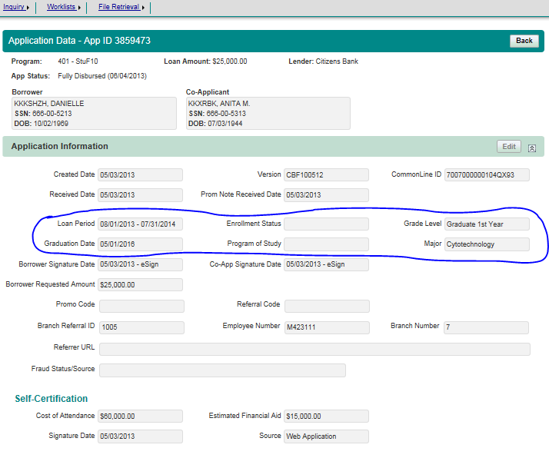
Application Data | Borrower | DOB |  |  |  |  |  |  |  |  |  |  |  |  |  |  |  | 1-Must Have |  |  |  | PL
Application Data | Co-Applicant | Co-Applicant Name |  |  |  |  |  |  |  |  |  |  |  |  |  |  |  | 1-Must Have
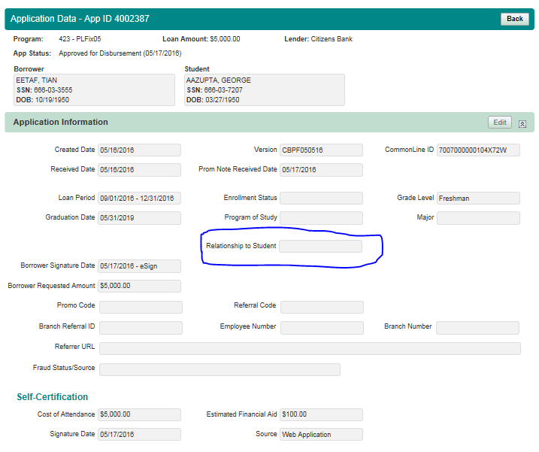
Application Data | Co-Applicant | SSN |  |  |  |  |  |  |  |  |  |  |  |  |  |  |  | 1-Must Have
Application Data | Co-Applicant | DOB |  |  |  |  |  |  |  |  |  |  |  |  |  |  |  | 1-Must Have
Application Data | Student | Student Name |  |  |  |  |  |  |  |  |  |  |  |  |  |  |  | 1-Must Have
Application Data | Student | SSN |  |  |  |  |  |  |  |  |  |  |  |  |  |  |  | 1-Must Have
Application Data | Student | DOB |  |  |  |  |  |  |  |  |  |  |  |  |  |  |  | 1-Must Have
Application Data | Application Information | Created Date |  |  |  |  |  |  |  |  |  |  |  |  |  |  |  | 1-Must Have
Application Data | Application Information | Version |  |  |  |  |  |  |  |  |  |  |  |  |  |  |  | 1-Must Have
Application Data | Application Information | Common Line ID |  |  |  |  |  |  |  |  |  |  |  |  |  |  |  | 1-Must Have
Application Data | Application Information | Received Date |  |  |  |  |  |  |  |  |  |  |  |  |  |  |  | 1-Must Have
Application Data | Application Information | Prom Note Received Date |  |  |  |  |  |  |  |  |  |  |  |  |  |  |  | 1-Must Have
Application Data | Application Information | Borrower Degree |  |  |  |  |  |  |  |  |  |  |  |  |  |  |  | 1-Must Have
Application Data | Application Information | Date Last Attended |  |  |  |  |  |  |  |  |  |  |  |  |  |  |  | 1-Must Have
Application Data | Application Information | Last School Attended |  |  |  |  |  |  |  |  |  |  |  |  |  |  |  | 1-Must Have
Application Data | Application Information | Loan Period |  |  |  |  |  |  |  |  |  |  |  |  |  |  |  | 1-Must Have
Application Data | Application Information | Enrollment Status |  |  |  |  |  |  |  |  |  |  |  |  |  |  |  | 1-Must Have
Application Data | Application Information | Grade Level |  |  |  |  |  |  |  |  |  |  |  |  |  |  |  | 1-Must Have
Application Data | Application Information | Graduation Date |  |  |  |  |  |  |  |  |  |  |  |  |  |  |  | 1-Must Have
Application Data | Application Information | Program of Study |  |  |  |  |  |  |  |  |  |  |  |  |  |  |  | 1-Must Have
Application Data | Application Information | Major |  |  |  |  |  |  |  |  |  |  |  |  |  |  |  | 1-Must Have
Application Data | Application Information | Relationship to Student |  |  |  |  |  |  |  |  |  |  |  |  |  |  |  | 1-Must Have
Application Data | Application Information | Borrower Signature Date |  |  |  |  |  |  |  |  |  |  |  |  |  |  |  | 1-Must Have
Application Data | Application Information | Co-App Signature Date |  |  |  |  |  |  |  |  |  |  |  |  |  |  |  | 1-Must Have
Application Data | Application Information | Borrower Requested Amount |  |  |  |  |  |  |  |  |  |  |  |  |  |  |  | 1-Must Have
Application Data | Application Information | Promo Code |  |  |  |  |  |  |  |  |  |  |  |  |  |  |  | 1-Must Have
Application Data | Application Information | Referral Code |  |  |  |  |  |  |  |  |  |  |  |  |  |  |  | 1-Must Have
Application Data | Application Information | Loan Amount |  |  |  |  |  |  |  |  |  |  |  |  |  |  |  | 1-Must Have
Application Data | Application Information | Counter Offer |  |  |  |  |  |  |  |  |  |  |  |  |  |  |  | 1-Must Have
Application Data | Application Information | Web Order Number |  |  |  |  |  |  |  |  |  |  |  |  |  |  |  | 1-Must Have
Application Data | Application Information | Ship To |  |  |  |  |  |  |  |  |  |  |  |  |  |  |  | 1-Must Have
Application Data | Application Information | AIR Fraud Status |  |  |  |  |  |  |  |  |  |  |  |  |  |  |  | 1-Must Have
Application Data | Application Information | Branch Referral ID |  |  |  |  |  |  |  |  |  |  |  |  |  |  |  | 1-Must Have
Application Data | Application Information | Employee Number |  |  |  |  |  |  |  |  |  |  |  |  |  |  |  | 1-Must Have
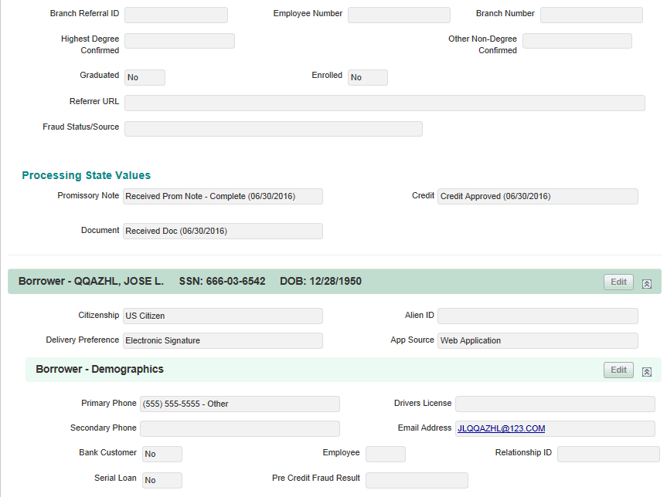
Application Data | Application Information | Branch Number |  |  |  |  |  |  |  |  |  |  |  |  |  |  |  | 1-Must Have
Application Data | Application Information | Highest Degree Confirmed |  |  |  |  |  |  |  |  |  |  |  |  |  |  |  | 1-Must Have
Application Data | Application Information | Other Non-Degree Confirmed |  |  |  |  |  |  |  |  |  |  |  |  |  |  |  | 1-Must Have
Application Data | Application Information | Graduated |  |  |  |  |  |  |  |  |  |  |  |  |  |  |  | 1-Must Have
Application Data | Application Information | Enrolled |  |  |  |  |  |  |  |  |  |  |  |  |  |  |  | 1-Must Have
Application Data | Application Information | Referrer URL |  |  |  |  |  |  |  |  |  |  |  |  |  |  |  | 1-Must Have
Application Data | Application Information | Intended Use of Fund |  |  |  |  |  |  |  |  |  |  |  |  |  |  |  | 1-Must Have
Application Data | Application Information | Fraud Status/Source |  |  |  |  |  |  |  |  |  |  |  |  |  |  |  | 1-Must Have
Application Data | Self-Certification | Cost of Attendance |  |  |  |  |  |  |  |  |  |  |  |  |  |  |  | 1-Must Have
Application Data | Self-Certification | Estimated Financial Aid |  |  |  |  |  |  |  |  |  |  |  |  |  |  |  | 1-Must Have
Application Data | Self-Certification | Signature Date |  |  |  |  |  |  |  |  |  |  |  |  |  |  |  | 1-Must Have
Application Data | Self-Certification | Source |  |  |  |  |  |  |  |  |  |  |  |  |  |  |  | 1-Must Have
Application Data | Processing State Values | Promissory Note |  |  |  |  |  |  |  |  |  |  |  |  |  |  |  | 1-Must Have
Application Data | Processing State Values | Credit |  |  |  |  |  |  |  |  |  |  |  |  |  |  |  | 1-Must Have
Application Data | Processing State Values | Document |  |  |  |  |  |  |  |  |  |  |  |  |  |  |  | 1-Must Have
Application Data | Processing State Values | Certification |  |  |  |  |  |  |  |  |  |  |  |  |  |  |  | 1-Must Have
Application Data | Processing State Values | Funding |  |  |  |  |  |  |  |  |  |  |  |  |  |  |  | 1-Must Have
Application Data | Borrower | Borrower Name |  |  |  |  |  |  |  |  |  |  |  |  |  |  |  | 1-Must Have
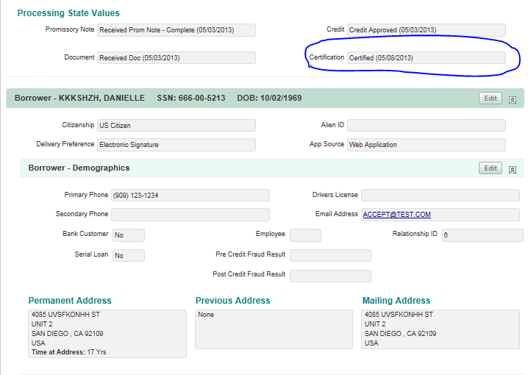
Application Data | Borrower | SSN |  |  |  |  |  |  |  |  |  |  |  |  |  |  |  | 1-Must Have
Application Data | Borrower | DOB |  |  |  |  |  |  |  |  |  |  |  |  |  |  |  | 1-Must Have
Application Data | Borrower | Citizenship |  |  |  |  |  |  |  |  |  |  |  |  |  |  |  | 1-Must Have
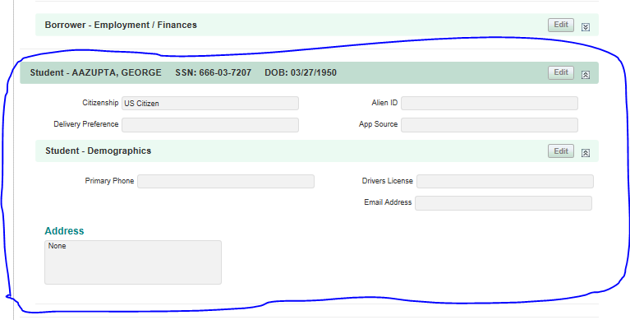
Application Data | Borrower | Alien ID |  |  |  |  |  |  |  |  |  |  |  |  |  |  |  | 1-Must Have
Application Data | Borrower | Delivery Preference |  |  |  |  |  |  |  |  |  |  |  |  |  |  |  | 1-Must Have
Application Data | Borrower | AppSource |  |  |  |  |  |  |  |  |  |  |  |  |  |  |  | 1-Must Have
Application Data | Borrower-Demographics | Primary Phone |  |  |  |  |  |  |  |  |  |  |  |  |  |  |  | 1-Must Have
Application Data | Borrower-Demographics | Drivers License |  |  |  |  |  |  |  |  |  |  |  |  |  |  |  | 1-Must Have
Application Data | Borrower-Demographics | Secondary Phone |  |  |  |  |  |  |  |  |  |  |  |  |  |  |  | 1-Must Have
Application Data | Borrower-Demographics | Email Address |  |  |  |  |  |  |  |  |  |  |  |  |  |  |  | 1-Must Have
Application Data | Borrower-Demographics | Bank Customer | Yes/No |  |  |  |  |  |  |  |  |  |  |  |  |  |  | 1-Must Have
Application Data | Borrower-Demographics | Serial Loan | Yes/No |  |  |  |  |  |  |  |  |  |  |  |  |  |  | 1-Must Have
Application Data | Borrower-Demographics | Employee | ? |  |  |  |  |  |  |  |  |  |  |  |  |  |  | 1-Must Have
Application Data | Borrower-Demographics | Relationship ID |  |  |  |  |  |  |  |  |  |  |  |  |  |  |  | 1-Must Have
Application Data | Borrower-Demographics | Pre Credit Fraud Result |  |  |  |  |  |  |  |  |  |  |  |  |  |  |  | 1-Must Have
Application Data | Borrower-Demographics | Post Credit Fraud Result |  |  |  |  |  |  |  |  |  |  |  |  |  |  |  | 1-Must Have
Application Data | Borrower-Demographics | Permanent Address | Includes Time at Address |  |  |  |  |  |  |  |  |  |  |  |  |  |  | 1-Must Have
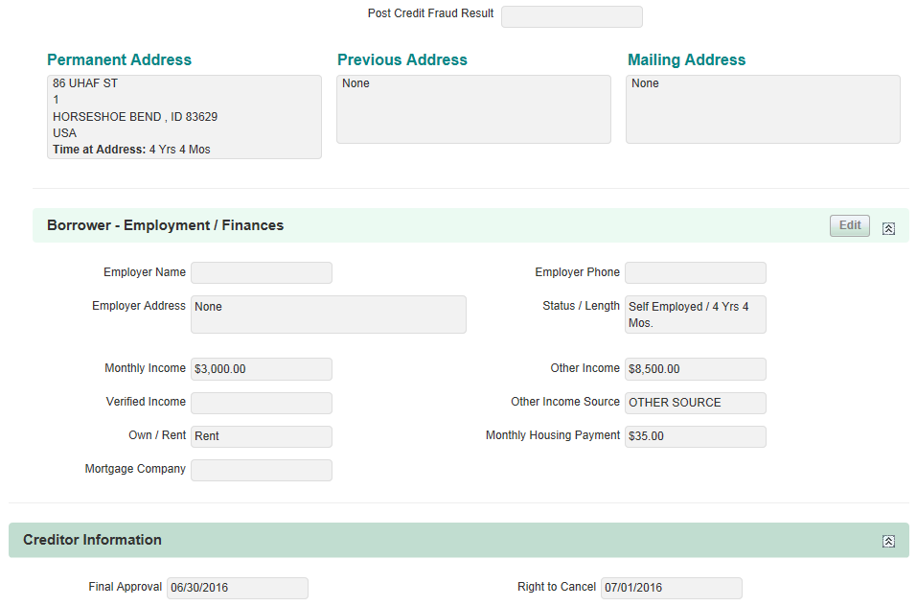
Application Data | Borrower-Demographics | Previous Address |  |  |  |  |  |  |  |  |  |  |  |  |  |  |  | 1-Must Have
Application Data | Borrower-Demographics | Mailing Address |  |  |  |  |  |  |  |  |  |  |  |  |  |  |  | 1-Must Have
Application Data | Borrower-Employement/Finances | Employer Name |  |  |  |  |  |  |  |  |  |  |  |  |  |  |  | 1-Must Have
Application Data | Borrower-Employement/Finances | Employer Phone |  |  |  |  |  |  |  |  |  |  |  |  |  |  |  | 1-Must Have
Application Data | Borrower-Employement/Finances | Employer Address |  |  |  |  |  |  |  |  |  |  |  |  |  |  |  | 1-Must Have
Application Data | Borrower-Employement/Finances | Status/Length | Years of employement |  |  |  |  |  |  |  |  |  |  |  |  |  |  | 1-Must Have
Application Data | Borrower-Employement/Finances | Monthly Income |  |  |  |  |  |  |  |  |  |  |  |  |  |  |  | 1-Must Have
Application Data | Borrower-Employement/Finances | Other Income |  |  |  |  |  |  |  |  |  |  |  |  |  |  |  | 1-Must Have
Application Data | Borrower-Employement/Finances | Verified Income |  |  |  |  |  |  |  |  |  |  |  |  |  |  |  | 1-Must Have
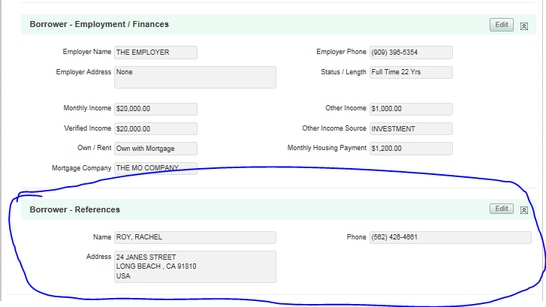
Application Data | Borrower-Employement/Finances | Other Income Source |  |  |  |  |  |  |  |  |  |  |  |  |  |  |  | 1-Must Have
Application Data | Borrower-Employement/Finances | Own/Rent |  |  |  |  |  |  |  |  |  |  |  |  |  |  |  | 1-Must Have
Application Data | Borrower-Employement/Finances | Monthly Housing Payment |  |  |  |  |  |  |  |  |  |  |  |  |  |  |  | 1-Must Have
Application Data | Borrower-Employement/Finances | Mortgage Company |  |  |  |  |  |  |  |  |  |  |  |  |  |  |  | 1-Must Have
Application Data | Co-Applicant | Co-Applicant Name |  |  |  |  |  |  |  |  |  |  |  |  |  |  |  | 1-Must Have
Application Data | Co-Applicant | SSN |  |  |  |  |  |  |  |  |  |  |  |  |  |  |  | 1-Must Have
Application Data | Co-Applicant | DOB |  |  |  |  |  |  |  |  |  |  |  |  |  |  |  | 1-Must Have
Application Data | Co-Applicant | Citizenship |  |  |  |  |  |  |  |  |  |  |  |  |  |  |  | 1-Must Have
Application Data | Co-Applicant | Alien ID |  |  |  |  |  |  |  |  |  |  |  |  |  |  |  | 1-Must Have
Application Data | Co-Applicant | Delivery Preference |  |  |  |  |  |  |  |  |  |  |  |  |  |  |  | 1-Must Have
Application Data | Co-Applicant | AppSource |  |  |  |  |  |  |  |  |  |  |  |  |  |  |  | 1-Must Have
Application Data | Co-Applicant-Demographics | Primary Phone |  |  |  |  |  |  |  |  |  |  |  |  |  |  |  | 1-Must Have
Application Data | Co-Applicant-Demographics | Drivers License |  |  |  |  |  |  |  |  |  |  |  |  |  |  |  | 1-Must Have
Application Data | Co-Applicant-Demographics | Secondary Phone |  |  |  |  |  |  |  |  |  |  |  |  |  |  |  | 1-Must Have
Application Data | Co-Applicant-Demographics | Email Address |  |  |  |  |  |  |  |  |  |  |  |  |  |  |  | 1-Must Have
Application Data | Co-Applicant-Demographics | Bank Customer | Yes/No |  |  |  |  |  |  |  |  |  |  |  |  |  |  | 1-Must Have
Application Data | Co-Applicant-Demographics | Serial Loan | Yes/No |  |  |  |  |  |  |  |  |  |  |  |  |  |  | 1-Must Have
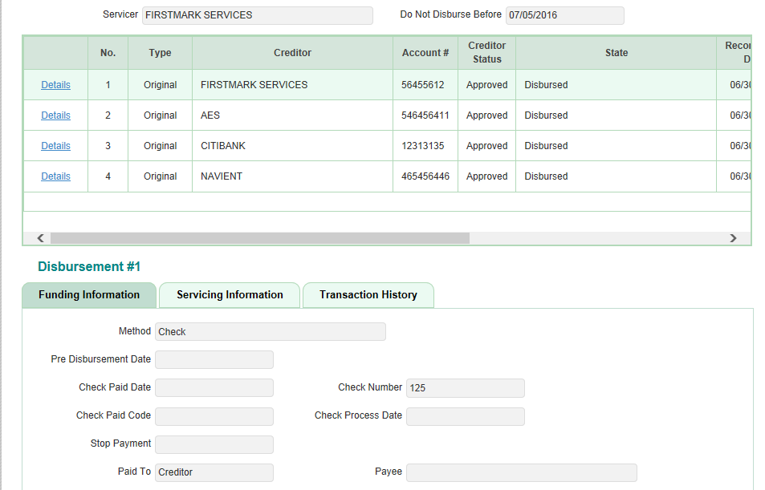
Application Data | Co-Applicant-Demographics | Employee | ? |  |  |  |  |  |  |  |  |  |  |  |  |  |  | 1-Must Have
Application Data | Co-Applicant-Demographics | Relationship ID |  |  |  |  |  |  |  |  |  |  |  |  |  |  |  | 1-Must Have
Application Data | Co-Applicant-Demographics | Pre Credit Fraud Result |  |  |  |  |  |  |  |  |  |  |  |  |  |  |  | 1-Must Have
Application Data | Co-Applicant-Demographics | Post Credit Fraud Result |  |  |  |  |  |  |  |  |  |  |  |  |  |  |  | 1-Must Have
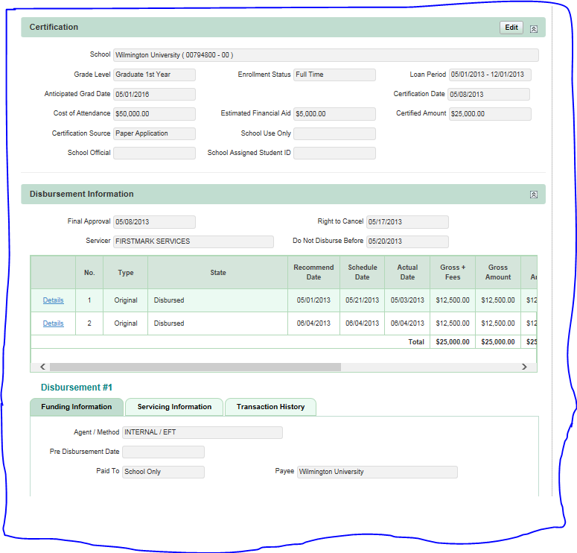
Application Data | Co-Applicant-Demographics | Permanent Address | Includes Time at Address |  |  |  |  |  |  |  |  |  |  |  |  |  |  | 1-Must Have
Application Data | Co-Applicant-Demographics | Previous Address |  |  |  |  |  |  |  |  |  |  |  |  |  |  |  | 1-Must Have
Application Data | Co-Applicant-Demographics | Mailing Address |  |  |  |  |  |  |  |  |  |  |  |  |  |  |  | 1-Must Have
Application Data | Co-Applicant-Employement/Finances | Employer Name |  |  |  |  |  |  |  |  |  |  |  |  |  |  |  | 1-Must Have
Application Data | Co-Applicant-Employement/Finances | Employer Phone |  |  |  |  |  |  |  |  |  |  |  |  |  |  |  | 1-Must Have
Application Data | Co-Applicant-Employement/Finances | Employer Address |  |  |  |  |  |  |  |  |  |  |  |  |  |  |  | 1-Must Have
Application Data | Co-Applicant-Employement/Finances | Status/Length | Years of employement |  |  |  |  |  |  |  |  |  |  |  |  |  |  | 1-Must Have
Application Data | Co-Applicant-Employement/Finances | Monthly Income |  |  |  |  |  |  |  |  |  |  |  |  |  |  |  | 1-Must Have
Application Data | Co-Applicant-Employement/Finances | Other Income |  |  |  |  |  |  |  |  |  |  |  |  |  |  |  | 1-Must Have
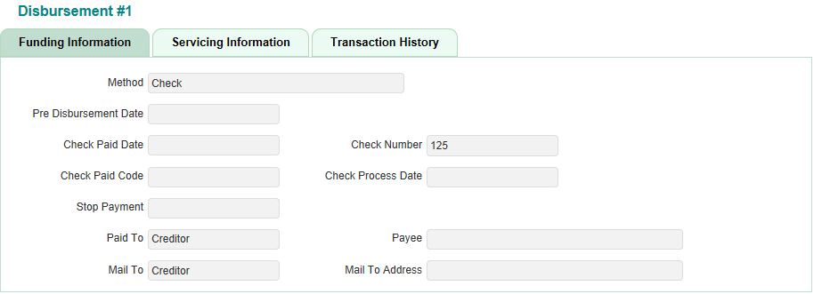
Application Data | Co-Applicant-Employement/Finances | Verified Income |  |  |  |  |  |  |  |  |  |  |  |  |  |  |  | 1-Must Have
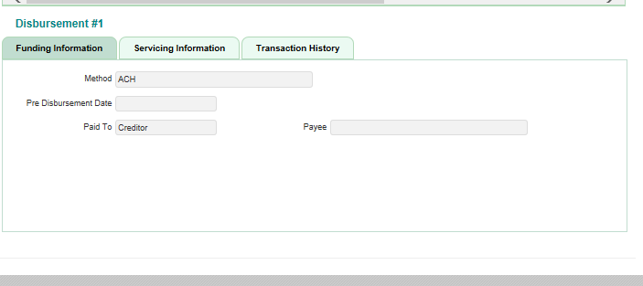
Application Data | Co-Applicant-Employement/Finances | Other Income Source |  |  |  |  |  |  |  |  |  |  |  |  |  |  |  | 1-Must Have
Application Data | Co-Applicant-Employement/Finances | Own/Rent |  |  |  |  |  |  |  |  |  |  |  |  |  |  |  | 1-Must Have
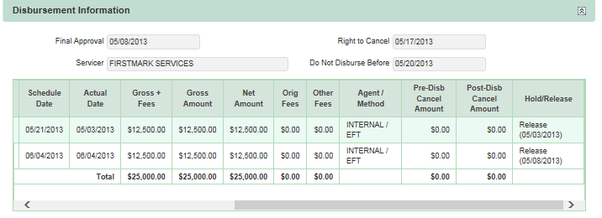
Application Data | Co-Applicant-Employement/Finances | Monthly Housing Payment |  |  |  |  |  |  |  |  |  |  |  |  |  |  |  | 1-Must Have
Application Data | Co-Applicant-Employement/Finances | Mortgage Company |  |  |  |  |  |  |  |  |  |  |  |  |  |  |  | 1-Must Have
Application Data | Student | Student Name |  |  |  |  |  |  |  |  |  |  |  |  |  |  |  | 1-Must Have
Application Data | Student | SSN |  |  |  |  |  |  |  |  |  |  |  |  |  |  |  | 1-Must Have
Application Data | Student | DOB |  |  |  |  |  |  |  |  |  |  |  |  |  |  |  | 1-Must Have
Application Data | Student | Citizenship |  |  |  |  |  |  |  |  |  |  |  |  |  |  |  | 1-Must Have
Application Data | Student | Alien ID |  |  |  |  |  |  |  |  |  |  |  |  |  |  |  | 1-Must Have
Application Data | Student | Delivery Preference |  |  |  |  |  |  |  |  |  |  |  |  |  |  |  | 1-Must Have
Application Data | Student | AppSource |  |  |  |  |  |  |  |  |  |  |  |  |  |  |  | 1-Must Have
Application Data | Student-Demographics | Primary Phone |  |  |  |  |  |  |  |  |  |  |  |  |  |  |  | 1-Must Have
Application Data | Student-Demographics | Drivers License |  |  |  |  |  |  |  |  |  |  |  |  |  |  |  | 1-Must Have
Application Data | Student-Demographics | Email Address |  |  |  |  |  |  |  |  |  |  |  |  |  |  |  | 1-Must Have
Application Data | Student-Demographics | Address |  |  |  |  |  |  |  |  |  |  |  |  |  |  |  | 1-Must Have
Application Data | Certification | School |  |  |  |  |  |  |  |  |  |  |  |  |  |  |  | 1-Must Have
Application Data | Certification | Grade Level |  |  |  |  |  |  |  |  |  |  |  |  |  |  |  | 1-Must Have
Application Data | Certification | Enrollment Status |  |  |  |  |  |  |  |  |  |  |  |  |  |  |  | 1-Must Have
Application Data | Certification | Loan Period |  |  |  |  |  |  |  |  |  |  |  |  |  |  |  | 1-Must Have
Application Data | Certification | Anticipated Grad Date |  |  |  |  |  |  |  |  |  |  |  |  |  |  |  | 1-Must Have
Application Data | Certification | Certification Date |  |  |  |  |  |  |  |  |  |  |  |  |  |  |  | 1-Must Have
Application Data | Certification | Cost of Attendance |  |  |  |  |  |  |  |  |  |  |  |  |  |  |  | 1-Must Have
Application Data | Certification | Estimated Financial Aid |  |  |  |  |  |  |  |  |  |  |  |  |  |  |  | 1-Must Have
Application Data | Certification | Certified Amount |  |  |  |  |  |  |  |  |  |  |  |  |  |  |  | 1-Must Have
Application Data | Certification | Certification source |  |  |  |  |  |  |  |  |  |  |  |  |  |  |  | 1-Must Have
Application Data | Certification | School Use Only |  |  |  |  |  |  |  |  |  |  |  |  |  |  |  | 1-Must Have
Application Data | Certification | School Official |  |  |  |  |  |  |  |  |  |  |  |  |  |  |  | 1-Must Have
Application Data | Certification | School Assigned Student ID |  |  |  |  |  |  |  |  |  |  |  |  |  |  |  | 1-Must Have
Application Data | Creditor Information | Final Approval | Date |  |  |  |  |  |  |  |  |  |  |  |  |  |  | 1-Must Have
Application Data | Creditor Information | Right To Cancel | Date |  |  |  |  |  |  |  |  |  |  |  |  |  |  | 1-Must Have
Application Data | Creditor Information | Servicer |  |  |  |  |  |  |  |  |  |  |  |  |  |  |  | 1-Must Have
Application Data | Creditor Information | Do Not Disburse Before | Date |  |  |  |  |  |  |  |  |  |  |  |  |  |  | 1-Must Have
Application Data | Creditor Information | Details | Table |  |  |  |  |  |  |  |  |  |  |  |  |  |  | 1-Must Have
Application Data | Creditor Information | No | Table |  |  |  |  |  |  |  |  |  |  |  |  |  |  | 1-Must Have
Application Data | Creditor Information | Type | Table |  |  |  |  |  |  |  |  |  |  |  |  |  |  | 1-Must Have
Application Data | Creditor Information | Creditor | Table |  |  |  |  |  |  |  |  |  |  |  |  |  |  | 1-Must Have
Application Data | Creditor Information | Account# | Table |  |  |  |  |  |  |  |  |  |  |  |  |  |  | 1-Must Have
Application Data | Creditor Information | Creditor Status | Table |  |  |  |  |  |  |  |  |  |  |  |  |  |  | 1-Must Have
Application Data | Creditor Information | State | Table |  |  |  |  |  |  |  |  |  |  |  |  |  |  | 1-Must Have
Application Data | Creditor Information | Recommend Date | Table |  |  |  |  |  |  |  |  |  |  |  |  |  |  | 1-Must Have
Application Data | Creditor Information | Scheduled Date | Table |  |  |  |  |  |  |  |  |  |  |  |  |  |  | 1-Must Have
Application Data | Creditor Information | Actual date | Table |  |  |  |  |  |  |  |  |  |  |  |  |  |  | 1-Must Have |  | Above screenshot shows Funding Information for Loan Status - Rejected by Lender
Application Data | Creditor Information | Gross Fees | Table |  |  |  |  |  |  |  |  |  |  |  |  |  |  | 1-Must Have |  | Servicing Information and Transaction History tabs have same information as the sample shown left
Application Data | Creditor Information | Creditor Amount | Table |  |  |  |  |  |  |  |  |  |  |  |  |  |  | 1-Must Have
Application Data | Creditor Information | Method | Table |  |  |  |  |  |  |  |  |  |  |  |  |  |  | 1-Must Have
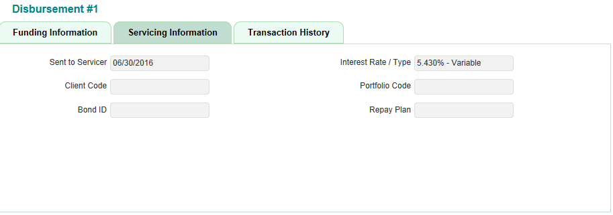
Application Data | Creditor Information | Total Gross Fees | Table |  |  |  |  |  |  |  |  |  |  |  |  |  |  | 1-Must Have
Application Data | Creditor Information | Total Amount | Table |  |  |  |  |  |  |  |  |  |  |  |  |  |  | 1-Must Have
Application Data | Disbursement Infromation | Final Approval | Date |  |  |  |  |  |  |  |  |  |  |  |  |  |  | 1-Must Have
Application Data | Disbursement Infromation | Right To Cancel | Date |  |  |  |  |  |  |  |  |  |  |  |  |  |  | 1-Must Have
Application Data | Disbursement Infromation | Servicer |  |  |  |  |  |  |  |  |  |  |  |  |  |  |  | 1-Must Have
Application Data | Disbursement Infromation | Do Not Disburse Before | Date |  |  |  |  |  |  |  |  |  |  |  |  |  |  | 1-Must Have
Application Data | Disbursement Infromation | Details | Hyperlink - Which when clicked shows Funding Information, Service Information and Transaction Information in the table below |  |  |  |  |  |  |  |  |  |  |  |  |  |  | 1-Must Have
Application Data | Disbursement Infromation | No | Table |  |  |  |  |  |  |  |  |  |  |  |  |  |  | 1-Must Have
Application Data | Disbursement Infromation | Type | Table |  |  |  |  |  |  |  |  |  |  |  |  |  |  | 1-Must Have
Application Data | Disbursement Infromation | State | Table |  |  |  |  |  |  |  |  |  |  |  |  |  |  | 1-Must Have
Application Data | Disbursement Infromation | Recommend Date | Table |  |  |  |  |  |  |  |  |  |  |  |  |  |  | 1-Must Have
Application Data | Disbursement Infromation | Scheduled Date | Table |  |  |  |  |  |  |  |  |  |  |  |  |  |  | 1-Must Have
Application Data | Disbursement Infromation | Actual date | Table |  |  |  |  |  |  |  |  |  |  |  |  |  |  | 1-Must Have
Application Data | Disbursement Infromation | Gross+ Fees | Table |  |  |  |  |  |  |  |  |  |  |  |  |  |  | 1-Must Have
Application Data | Disbursement Infromation | Total Gross + Fees |  |  |  |  |  |  |  |  |  |  |  |  |  |  |  | 1-Must Have
Application Data | Disbursement Infromation | Gross Amount | Table |  |  |  |  |  |  |  |  |  |  |  |  |  |  | 1-Must Have
Application Data | Disbursement Infromation | Total Gross Amount |  |  |  |  |  |  |  |  |  |  |  |  |  |  |  | 1-Must Have
Application Data | Disbursement Infromation | Net Amount | Table |  |  |  |  |  |  |  |  |  |  |  |  |  |  | 1-Must Have |  | Above screenshot shows Funding Information for Loan Status - Rejected by Lender
Application Data | Disbursement Infromation | Total Net Amount |  |  |  |  |  |  |  |  |  |  |  |  |  |  |  | 1-Must Have
Application Data | Disbursement Infromation | Orig Fees |  |  |  |  |  |  |  |  |  |  |  |  |  |  |  | 1-Must Have
Application Data | Disbursement Infromation | Total Orig Fees | Table |  |  |  |  |  |  |  |  |  |  |  |  |  |  | 1-Must Have |  | Servicing Information and Transaction History tabs have same information as the sample shown left
Application Data | Disbursement Infromation | Other Fees | Table |  |  |  |  |  |  |  |  |  |  |  |  |  |  | 1-Must Have
Application Data | Disbursement Infromation | Total Other Fees |  |  |  |  |  |  |  |  |  |  |  |  |  |  |  | 1-Must Have
Application Data | Disbursement Infromation | Agent/Method | Table |  |  |  |  |  |  |  |  |  |  |  |  |  |  | 1-Must Have
Application Data | Disbursement Infromation | Pre-Disb Cancel Amount | Table |  |  |  |  |  |  |  |  |  |  |  |  |  |  | 1-Must Have
Application Data | Disbursement Infromation | Total Pre-Disb Cancel Amount |  |  |  |  |  |  |  |  |  |  |  |  |  |  |  | 1-Must Have
Application Data | Disbursement Infromation | Post-Disb Cancel Amount | Table |  |  |  |  |  |  |  |  |  |  |  |  |  |  | 1-Must Have
Application Data | Disbursement Infromation | Total Post-Disb Cancel Amount |  |  |  |  |  |  |  |  |  |  |  |  |  |  |  | 1-Must Have
Application Data | Disbursement Infromation | Hold/Release | Table |  |  |  |  |  |  |  |  |  |  |  |  |  |  | 1-Must Have
Application Data | Funding Information | Method | By default displays the most recent disbursement information |  |  |  |  |  |  |  |  |  |  |  |  |  |  | 1-Must Have
Application Data | Funding Information | Agent/Method |  |  |  |  |  |  |  |  |  |  |  |  |  |  |  | 1-Must Have
Application Data | Funding Information | Pre Disbursement Date |  |  |  |  |  |  |  |  |  |  |  |  |  |  |  | 1-Must Have
Application Data | Funding Information | Check Paid Date | If fund disbursement status is 'Disbursed' and mode of payment /method is 'CHECK' |  |  |  |  |  |  |  |  |  |  |  |  |  |  | 1-Must Have
Application Data | Funding Information | Check Number | If fund disbursement status is 'Disbursed' and mode of payment /method is 'CHECK' |  |  |  |  |  |  |  |  |  |  |  |  |  |  | 1-Must Have
Application Data | Funding Information | Check Paid Code | If fund disbursement status is 'Disbursed' and mode of payment /method is 'CHECK' |  |  |  |  |  |  |  |  |  |  |  |  |  |  | 1-Must Have
Application Data | Funding Information | Check Process Date | If fund disbursement status is 'Disbursed' and mode of payment /method is 'CHECK' |  |  |  |  |  |  |  |  |  |  |  |  |  |  | 1-Must Have
Application Data | Funding Information | Stop Payment | If fund disbursement status is 'Disbursed' and mode of payment /method is 'CHECK' |  |  |  |  |  |  |  |  |  |  |  |  |  |  | 1-Must Have
Application Data | Funding Information | Paid To |  |  |  |  |  |  |  |  |  |  |  |  |  |  |  | 1-Must Have
Application Data | Funding Information | Payee |  |  |  |  |  |  |  |  |  |  |  |  |  |  |  | 1-Must Have
Application Data | Funding Information | Mail To | If fund disbursement status is 'Disbursed' and mode of payment /method is 'CHECK' |  |  |  |  |  |  |  |  |  |  |  |  |  |  | 1-Must Have
Application Data | Funding Information | Mail To Address | If fund disbursement status is 'Disbursed' and mode of payment /method is 'CHECK' |  |  |  |  |  |  |  |  |  |  |  |  |  |  | 1-Must Have
Application Data | Servicing Information | Sent To Servicer |  |  |  |  |  |  |  |  |  |  |  |  |  |  |  | 1-Must Have
Application Data | Servicing Information | Interest Rate/Type |  |  |  |  |  |  |  |  |  |  |  |  |  |  |  | 1-Must Have
Application Data | Servicing Information | Client Code |  |  |  |  |  |  |  |  |  |  |  |  |  |  |  | 1-Must Have
Application Data | Servicing Information | Portfolio Code |  |  |  |  |  |  |  |  |  |  |  |  |  |  |  | 1-Must Have
Application Data | Servicing Information | Bond ID |  |  |  |  |  |  |  |  |  |  |  |  |  |  |  | 1-Must Have
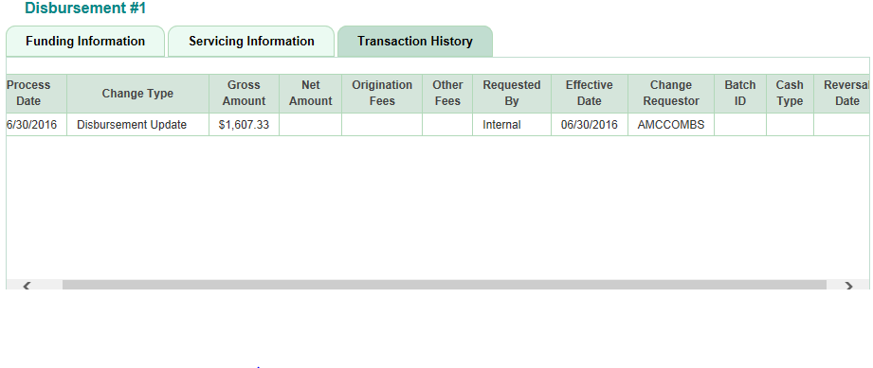
Application Data | Servicing Information | Repay Plan |  |  |  |  |  |  |  |  |  |  |  |  |  |  |  | 1-Must Have
Application Data | Transaction History | Process Date | Table |  |  |  |  |  |  |  |  |  |  |  |  |  |  | 1-Must Have
Application Data | Transaction History | Change Type | Table |  |  |  |  |  |  |  |  |  |  |  |  |  |  | 1-Must Have
Application Data | Transaction History | Gross Amount | Table |  |  |  |  |  |  |  |  |  |  |  |  |  |  | 1-Must Have
Application Data | Transaction History | Net Amount | Table |  |  |  |  |  |  |  |  |  |  |  |  |  |  | 1-Must Have
Application Data | Transaction History | Origination Fees | Table |  |  |  |  |  |  |  |  |  |  |  |  |  |  | 1-Must Have
Application Data | Transaction History | Other Fees | Table |  |  |  |  |  |  |  |  |  |  |  |  |  |  | 1-Must Have
Application Data | Transaction History | Requested By | Table |  |  |  |  |  |  |  |  |  |  |  |  |  |  | 1-Must Have
Application Data | Transaction History | Effective Date | Table |  |  |  |  |  |  |  |  |  |  |  |  |  |  | 1-Must Have
Application Data | Transaction History | Change Requestor | Table |  |  |  |  |  |  |  |  |  |  |  |  |  |  | 1-Must Have
Application Data | Transaction History | Batch ID | Table |  |  |  |  |  |  |  |  |  |  |  |  |  |  | 1-Must Have | Disbursement 1 maps to the first item in Creditor information Table
Application Data | Transaction History | Cash Type | Table |  |  |  |  |  |  |  |  |  |  |  |  |  |  | 1-Must Have
Application Data | Transaction History | Reversal date | Table |  |  |  |  |  |  |  |  |  |  |  |  |  |  | 1-Must Have

Pricing-Tab
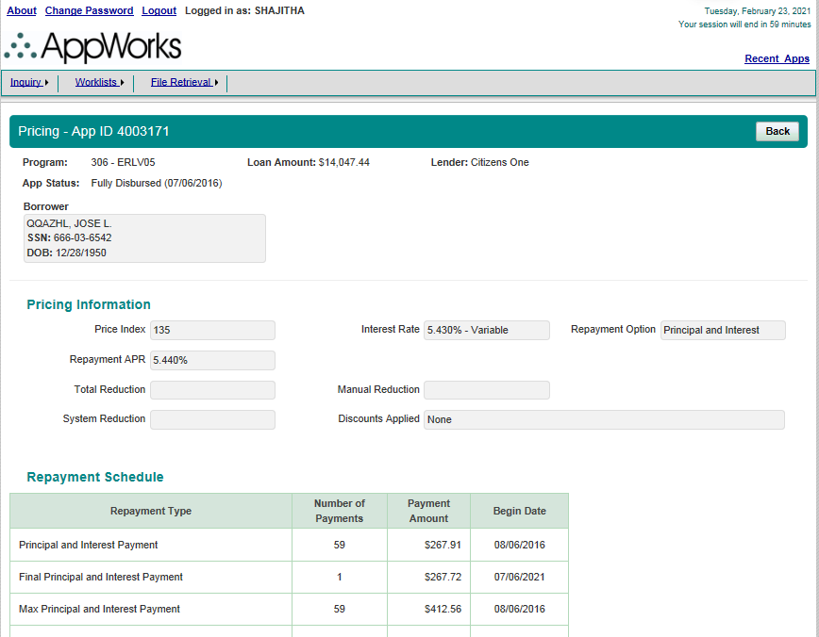
Page | Section | ScreenFields | Comments | Database Schema | Database Table | Database Column | Derivation Logic (If a derived field) | Comments | ERLV/ERLF | ParentERLV/ParentERLF | StuV/StuF/MYStu/MYStuAdd | PLV/PLF/MYPL/MYPLAdd | Apple | Harvard | Bar Study | ResidencyV/ResidencyF/MYResidency/MYResidencyAdd | Personal | Priority
Pricing | Pricing | AppId |  |  |  |  |  |  |  |  |  |  |  |  |  |  |  | 1-Must Have
Pricing | Pricing | Program |  |  |  |  |  |  |  |  |  |  |  |  |  |  |  | 1-Must Have
Pricing | Pricing | Loan Amount |  |  |  |  |  |  |  |  |  |  |  |  |  |  |  | 1-Must Have
Pricing | Pricing | Lender |  |  |  |  |  |  |  |  |  |  |  |  |  |  |  | 1-Must Have
Pricing | Pricing | App Status |  |  |  |  |  |  |  |  |  |  |  |  |  |  |  | 1-Must Have
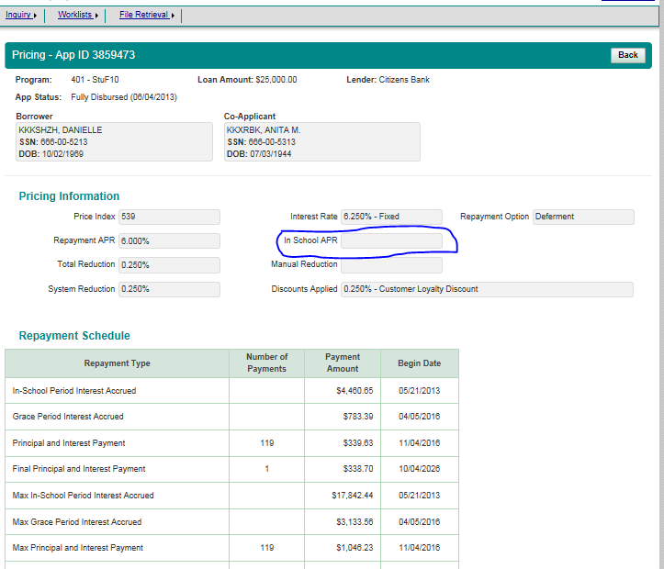
Pricing | Borrower | Borrower Name |  |  |  |  |  |  |  |  |  |  |  |  |  |  |  | 1-Must Have
Pricing | Borrower | SSN |  |  |  |  |  |  |  |  |  |  |  |  |  |  |  | 1-Must Have
Pricing | Borrower | DOB |  |  |  |  |  |  |  |  |  |  |  |  |  |  |  | 1-Must Have
Pricing | Co-Applicant | Co-Applicant Name |  |  |  |  |  |  |  |  |  |  |  |  |  |  |  | 1-Must Have
Pricing | Co-Applicant | SSN |  |  |  |  |  |  |  |  |  |  |  |  |  |  |  | 1-Must Have
Pricing | Co-Applicant | DOB |  |  |  |  |  |  |  |  |  |  |  |  |  |  |  | 1-Must Have
Pricing | Student | Student Name |  |  |  |  |  |  |  |  |  |  |  |  |  |  |  | 1-Must Have
Pricing | Student | SSN |  |  |  |  |  |  |  |  |  |  |  |  |  |  |  | 1-Must Have
Pricing | Student | DOB |  |  |  |  |  |  |  |  |  |  |  |  |  |  |  | 1-Must Have
Pricing | Pricing Information | Price Index |  |  |  |  |  |  |  |  |  |  |  |  |  |  |  | 1-Must Have
Pricing | Pricing Information | Interest Rate |  |  |  |  |  |  |  |  |  |  |  |  |  |  |  | 1-Must Have
Pricing | Pricing Information | Repayment Option |  |  |  |  |  |  |  |  |  |  |  |  |  |  |  | 1-Must Have
Pricing | Pricing Information | Repayment APR |  |  |  |  |  |  |  |  |  |  |  |  |  |  |  | 1-Must Have
Pricing | Pricing Information | In School APR |  |  |  |  |  |  |  |  |  |  |  |  |  |  |  | 1-Must Have
Pricing | Pricing Information | Total Reduction |  |  |  |  |  |  |  |  |  |  |  |  |  |  |  | 1-Must Have
Pricing | Pricing Information | Manual Reduction |  |  |  |  |  |  |  |  |  |  |  |  |  |  |  | 1-Must Have
Pricing | Pricing Information | System Reduction |  |  |  |  |  |  |  |  |  |  |  |  |  |  |  | 1-Must Have
Pricing | Pricing Information | Discounts Applied |  |  |  |  |  |  |  |  |  |  |  |  |  |  |  | 1-Must Have
Pricing | Repayment Schedule | Repayment Type | Table |  |  |  |  |  |  |  |  |  |  |  |  |  |  | 1-Must Have
Pricing | Repayment Schedule | Number of Payments | Table |  |  |  |  |  |  |  |  |  |  |  |  |  |  | 1-Must Have
Pricing | Repayment Schedule | Payment Amount | Table |  |  |  |  |  |  |  |  |  |  |  |  |  |  | 1-Must Have
Pricing | Repayment Schedule | Begin Date | Table |  |  |  |  |  |  |  |  |  |  |  |  |  |  | 1-Must Have
Pricing | Offers Information | Program | Table |  |  |  |  |  |  |  |  |  |  |  |  |  |  | 1-Must Have
Pricing | Offers Information | Term | Table |  |  |  |  |  |  |  |  |  |  |  |  |  |  | 1-Must Have
Pricing | Offers Information | Repayment Option | Table |  |  |  |  |  |  |  |  |  |  |  |  |  |  | 1-Must Have
Pricing | Offers Information | Interest Rate Type | Table |  |  |  |  |  |  |  |  |  |  |  |  |  |  | 1-Must Have
Pricing | Offers Information | Interest Rate/APR | Table |  |  |  |  |  |  |  |  |  |  |  |  |  |  | 1-Must Have
Pricing | Offers Information | In School Amount | Table |  |  |  |  |  |  |  |  |  |  |  |  |  |  | 1-Must Have
Pricing | Offers Information | Monthly Payment | Table |  |  |  |  |  |  |  |  |  |  |  |  |  |  | 1-Must Have
Pricing | Offers Information | Price Index | Table |  |  |  |  |  |  |  |  |  |  |  |  |  |  | 1-Must Have
Pricing | Offers Information | Discounts Applied | Table |  |  |  |  |  |  |  |  |  |  |  |  |  |  | 1-Must Have
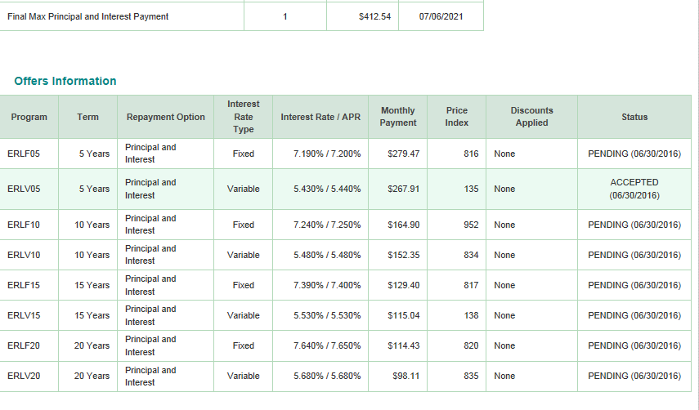
Pricing | Offers Information | Status | Table |  |  |  |  |  |  |  |  |  |  |  |  |  |  | 1-Must Have

Credit-Tab
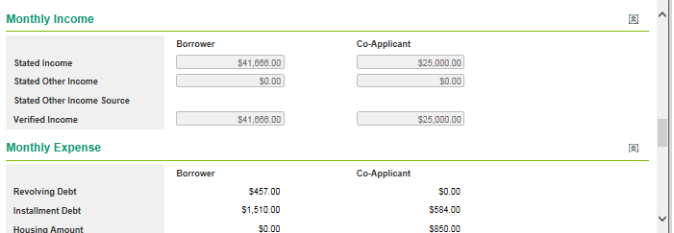
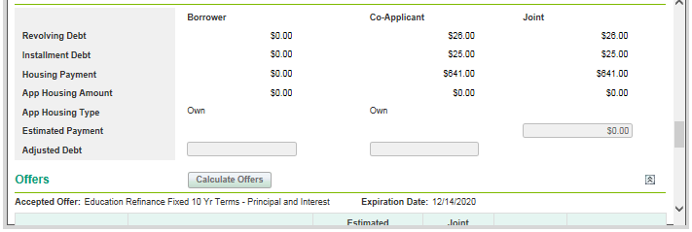
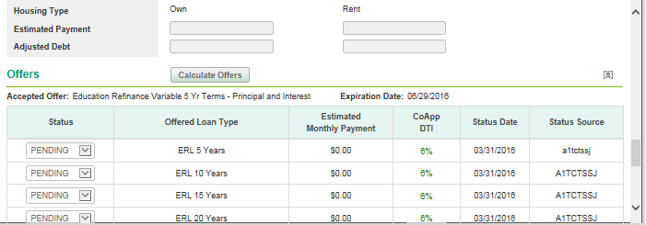
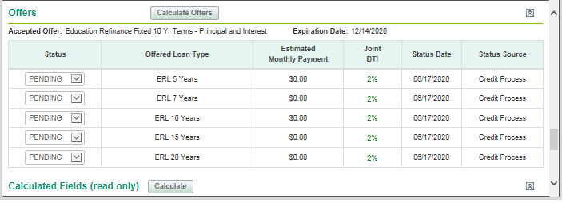
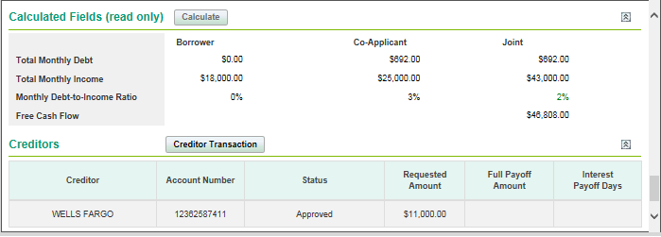
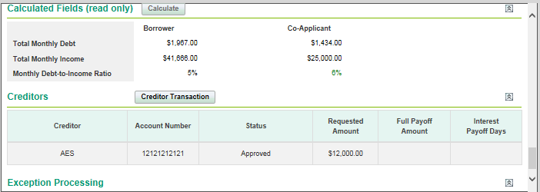
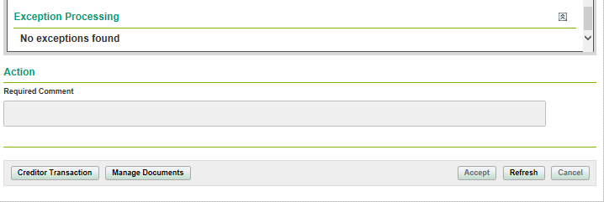
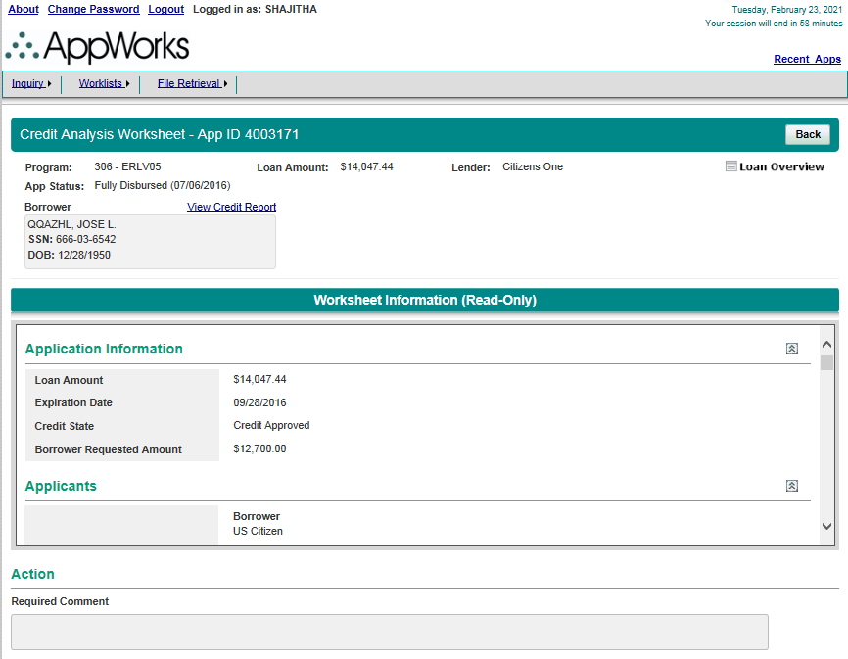
Page | Section | ScreenFields | Comments | Database Schema | Database Table | Database Column | Derivation Logic (If a derived field) | Comments | ERLV/ERLF | ParentERLV/ParentERLF | StuV/StuF/MYStu/MYStuAdd | PLV/PLF/MYPL/MYPLAdd | Apple | Harvard | BarStudy | ResidencyV/ResidencyF/MYResidency/MYResidencyAdd | Personal | Priority
Credit Analysis Worksheet | Credit Analysis Worksheet | AppId |  |  |  |  |  |  |  |  |  |  | Error |  |  |  |  | 1-Must Have
Credit Analysis Worksheet | Credit Analysis Worksheet | Program |  |  |  |  |  |  |  |  |  |  | Error |  |  |  |  | 1-Must Have
Credit Analysis Worksheet | Credit Analysis Worksheet | Loan Amount |  |  |  |  |  |  |  |  |  |  | Error |  |  |  |  | 1-Must Have
Credit Analysis Worksheet | Credit Analysis Worksheet | Lender |  |  |  |  |  |  |  |  |  |  | Error |  |  |  |  | 1-Must Have
Credit Analysis Worksheet | Credit Analysis Worksheet | Loan Overview |  |  |  |  |  |  |  |  |  |  | Error |  |  |  |  | 1-Must Have
Credit Analysis Worksheet | Credit Analysis Worksheet | App Status |  |  |  |  |  |  |  |  |  |  | Error |  |  |  |  | 1-Must Have
Credit Analysis Worksheet | Borrower | View Credit Report | Hyperlink |  |  |  |  |  |  |  |  |  | Error |  |  |  |  | 1-Must Have
Credit Analysis Worksheet | Borrower | Borrower Name |  |  |  |  |  |  |  |  |  |  | Error |  |  |  |  | 1-Must Have
Credit Analysis Worksheet | Borrower | SSN |  |  |  |  |  |  |  |  |  |  | Error |  |  |  |  | 1-Must Have
Credit Analysis Worksheet | Borrower | DOB |  |  |  |  |  |  |  |  |  |  | Error |  |  |  |  | 1-Must Have
Credit Analysis Worksheet | Co-Applicant | View Credit Report | Hyperlink |  |  |  |  |  |  |  |  |  | Error |  |  |  |  | 1-Must Have
Credit Analysis Worksheet | Co-Applicant | Co-Applicant Name |  |  |  |  |  |  |  |  |  |  | Error |  |  |  |  | 1-Must Have
Credit Analysis Worksheet | Co-Applicant | SSN |  |  |  |  |  |  |  |  |  |  | Error |  |  |  |  | 1-Must Have
Credit Analysis Worksheet | Co-Applicant | DOB |  |  |  |  |  |  |  |  |  |  | Error |  |  |  |  | 1-Must Have
Credit Analysis Worksheet | Student | Student Name |  |  |  |  |  |  |  |  |  |  | Error |  |  |  |  | 1-Must Have
Credit Analysis Worksheet | Student | SSN |  |  |  |  |  |  |  |  |  |  | Error |  |  |  |  | 1-Must Have
Credit Analysis Worksheet | Student | DOB |  |  |  |  |  |  |  |  |  |  | Error |  |  |  |  | 1-Must Have
Worksheet Information | Application Information | Loan Amount |  |  |  |  |  |  |  |  |  |  | Error |  |  |  |  | 1-Must Have
Worksheet Information | Application Information | Expiration Date |  |  |  |  |  |  |  |  |  |  | Error |  |  |  |  | 1-Must Have
Worksheet Information | Application Information | Credit State |  |  |  |  |  |  |  |  |  |  | Error |  |  |  |  | 1-Must Have
Worksheet Information | Application Information | Borrower Requested Amount |  |  |  |  |  |  |  |  |  |  | Error |  |  |  |  | 1-Must Have
Worksheet Information | Application Information | Counter Offer |  |  |  |  |  |  |  |  |  |  | Error |  |  |  |  | 1-Must Have
Worksheet Information | Application Information | Intended Use of Funds |  |  |  |  |  |  |  |  |  |  | Error |  |  |  |  | 1-Must Have
Worksheet Information | Application Information | MYB Master Loan | Field is available for Multi Year and MYAdd loans |  |  |  |  |  |  |  |  |  | Error |  |  |  |  | 1-Must Have
Worksheet Information | Application Information | MYB Fully Approved Amount | Field is available for Multi Year and MYAdd loans |  |  |  |  |  |  |  |  |  | Error |  |  |  |  | 1-Must Have
Worksheet Information | Application Information | MYB In Process Amount | Field is available for MYAdd loans |  |  |  |  |  |  |  |  |  | Error |  |  |  |  | 1-Must Have
Worksheet Information | Application Information | MYB Remaining Amount | Field is available for MYAdd loans |  |  |  |  |  |  |  |  |  | Error |  |  |  |  | 1-Must Have
Worksheet Information | Applicants | Borrower & Citizenship | Please see the NOTE |  |  |  |  |  |  |  |  |  | Error |  |  |  |  | 1-Must Have
Worksheet Information | Applicants | Credit State |  |  |  |  |  |  |  |  |  |  | Error |  |  |  |  | 1-Must Have
Worksheet Information | Applicants | Credit Report Pull Date |  |  |  |  |  |  |  |  |  |  | Error |  |  |  |  | 1-Must Have
Worksheet Information | Credit Information | FICO Score |  |  |  |  |  |  |  |  |  |  | Error |  |  |  |  | 1-Must Have
Worksheet Information | Credit Information | BNI Score |  |  |  |  |  |  |  |  |  |  | Error |  |  |  |  | 1-Must Have
Worksheet Information | Credit Information | EPD Score |  |  |  |  |  |  |  |  |  |  | Error |  |  |  |  | 1-Must Have
Worksheet Information | Credit Information | Segment |  |  |  |  |  |  |  |  |  |  | Error |  |  |  |  | 1-Must Have
Worksheet Information | Credit Information | Custom Score |  |  |  |  |  |  |  |  |  |  | Error |  |  |  |  | 1-Must Have
Worksheet Information | Credit Information | Custom Score Tier |  |  |  |  |  |  |  |  |  |  | Error |  |  |  |  | 1-Must Have
Worksheet Information | Credit Information | Student Loan Debt |  |  |  |  |  |  |  |  |  |  | Error |  |  |  |  | 1-Must Have
Worksheet Information | Credit Information | Number of Inquiries |  |  |  |  |  |  |  |  |  |  | Error |  |  |  |  | 1-Must Have
Worksheet Information | Credit Reasons | Denial |  |  |  |  |  |  |  |  |  |  | Error |  |  |  |  | 1-Must Have
Worksheet Information | Credit Reasons | FICO Score Factor |  |  |  |  |  |  |  |  |  |  | Error |  |  |  |  | 1-Must Have
Worksheet Information | Credit Reasons | BNI Score Factor |  |  |  |  |  |  |  |  |  |  | Error |  |  |  |  | 1-Must Have
Worksheet Information | Credit Reasons | EPD Score Factor |  |  |  |  |  |  |  |  |  |  | Error |  |  |  |  | 1-Must Have
Worksheet Information | Credit Reasons | Custom Reasons |  |  |  |  |  |  |  |  |  |  | Error |  |  |  |  | 1-Must Have
Worksheet Information | Credit Reasons | Research Items |  |  |  |  |  |  |  |  |  |  | Error |  |  |  |  | 1-Must Have
Worksheet Information | Credit Reasons | Information |  |  |  |  |  |  |  |  |  |  | Error |  |  |  |  | 1-Must Have
Worksheet Information | Documents | Manage Documents | This button click navigates to Docs page |  |  |  |  |  |  |  |  |  | Error |  |  |  |  | 3-Not Needed
Worksheet Information | Document Information if available | Employement/Income Verificatio | Received Date, Doc link |  |  |  |  |  |  |  |  |  | Error |  |  |  |  | 1-Must Have
Worksheet Information | Monthly Income | Stated Income |  |  |  |  |  |  |  |  |  |  | Error |  |  |  |  | 1-Must Have
Worksheet Information | Monthly Income | Stated Other Income |  |  |  |  |  |  |  |  |  |  | Error |  |  |  |  | 1-Must Have
Worksheet Information | Monthly Income | Stated Other Income Source |  |  |  |  |  |  |  |  |  |  | Error |  |  |  |  | 1-Must Have
Worksheet Information | Monthly Income | Plaid Derived Income |  |  |  |  |  |  |  |  |  |  | Error |  |  |  |  | 1-Must Have
Worksheet Information | Monthly Income | Plaid % of Stated Income |  |  |  |  |  |  |  |  |  |  | Error |  |  |  |  | 1-Must Have
Worksheet Information | Monthly Income | Verified Income |  |  |  |  |  |  |  |  |  |  | Error |  |  |  |  | 1-Must Have
Worksheet Information | Monthly Expense | Revolving Debt |  |  |  |  |  |  |  |  |  |  | Error |  |  |  |  | 1-Must Have
Worksheet Information | Monthly Expense | Installment Debt |  |  |  |  |  |  |  |  |  |  | Error |  |  |  |  | 1-Must Have
Worksheet Information | Monthly Expense | Housing Amount |  |  |  |  |  |  |  |  |  |  | Error |  |  |  |  | 1-Must Have
Worksheet Information | Monthly Expense | Housing Type |  |  |  |  |  |  |  |  |  |  | Error |  |  |  |  | 1-Must Have
Worksheet Information | Monthly Expense | Estimated Payment |  |  |  |  |  |  |  |  |  |  | Error |  |  |  |  | 1-Must Have
Worksheet Information | Monthly Expense | Adjusted Debt |  |  |  |  |  |  |  |  |  |  | Error |  |  |  |  | 1-Must Have
Worksheet Information | Offers | Accepted Offer |  |  |  |  |  |  |  |  |  |  | Error |  |  |  |  | 1-Must Have
Worksheet Information | Offers | Expiration Date |  |  |  |  |  |  |  |  |  |  | Error |  |  |  |  | 1-Must Have
Worksheet Information | Offers | Status | Table |  |  |  |  |  |  |  |  |  | Error |  |  |  |  | 1-Must Have
Worksheet Information | Offers | Offered Loan Type | Table |  |  |  |  |  |  |  |  |  | Error |  |  |  |  | 1-Must Have
Worksheet Information | Offers | Estimated Monthly Payment | Table |  |  |  |  |  |  |  |  |  | Error |  |  |  |  | 1-Must Have
Worksheet Information | Offers | Borrower DTI/Co-App DTI/Joint DTI | Table(Colour Coded) |  |  |  |  |  |  |  |  |  | Error |  |  |  |  | 1-Must Have
Worksheet Information | Offers | Status Date | Table |  |  |  |  |  |  |  |  |  | Error |  |  |  |  | 1-Must Have
Worksheet Information | Offers | Status Source | Table |  |  |  |  |  |  |  |  |  | Error |  |  |  |  | 1-Must Have
Worksheet Information | Calculated Fields | Total Monthly Debt |  |  |  |  |  |  |  |  |  |  | Error |  |  |  |  | 1-Must Have
Worksheet Information | Calculated Fields | Total Monthly Income |  |  |  |  |  |  |  |  |  |  | Error |  |  |  |  | 1-Must Have
Worksheet Information | Calculated Fields | Monthly Debt to Income Ratio |  |  |  |  |  |  |  |  |  |  | Error |  |  |  |  | 1-Must Have
Worksheet Information | Calculated Fields | Free Cash Flow |  |  |  |  |  |  |  |  |  |  | Error |  |  |  |  | 1-Must Have
Worksheet Information | Creditors | Creditor Transaction | Navigates to Creditors page |  |  |  |  |  |  |  |  |  | Error |  |  |  |  | 3-Not Needed
Worksheet Information | Creditors | Creditor | Table |  |  |  |  |  |  |  |  |  | Error |  |  |  |  | 1-Must Have
Worksheet Information | Creditors | Account Number | Table |  |  |  |  |  |  |  |  |  | Error |  |  |  |  | 1-Must Have
Worksheet Information | Creditors | Status | Table |  |  |  |  |  |  |  |  |  | Error |  |  |  |  | 1-Must Have
Worksheet Information | Creditors | Requested Amount | Table |  |  |  |  |  |  |  |  |  | Error |  |  |  |  | 1-Must Have
Worksheet Information | Creditors | Full Payoff Amount | Table |  |  |  |  |  |  |  |  |  | Error |  |  |  |  | 1-Must Have
Worksheet Information | Creditors | Interest Payoff Days | Table |  |  |  |  |  |  |  |  |  | Error |  |  |  |  | 1-Must Have
Worksheet Information | Exceptions Processing | Date | <<No Exceptions Found>> If no exceptions |  |  |  |  |  |  |  |  |  | Error |  |  |  |  | 1-Must Have
Worksheet Information | Exceptions Processing | Request |  |  |  |  |  |  |  |  |  |  | Error |  |  |  |  | 1-Must Have
Worksheet Information | Exceptions Processing | Decision |  |  |  |  |  |  |  |  |  |  | Error |  |  |  |  | 1-Must Have
Worksheet Information | Exceptions Processing | Approver |  |  |  |  |  |  |  |  |  |  | Error |  |  |  |  | 1-Must Have
Worksheet Information | Exceptions Processing | Requestor |  |  |  |  |  |  |  |  |  |  | Error |  |  |  |  | 1-Must Have
Worksheet Information | Exceptions Processing | Type |  |  |  |  |  |  |  |  |  |  | Error |  |  |  |  | 1-Must Have
Worksheet Information | Exceptions Processing | Override Justification |  |  |  |  |  |  |  |  |  |  | Error |  |  |  |  | 1-Must Have
Worksheet Information | Exceptions Processing | Comments |  |  |  |  |  |  |  |  |  |  | Error |  |  |  |  | 1-Must Have
Credit Analysis Worksheet | Action | Required Comment |  |  |  |  |  |  |  |  |  |  | Error |  |  |  |  | 3-Not Needed
Credit Analysis Worksheet |  | Creditor Transaction | Navigates to Creditors page |  |  |  |  |  |  |  |  |  | Error |  |  |  |  | 3-Not Needed
Credit Analysis Worksheet |  | Manage Documents | Navigates to Docs page |  |  |  |  |  |  |  |  |  | Error |  |  |  |  | 3-Not Needed

NOTE : If loan has co-applicant, worksheet information is applicable to both borrower and co-applicant - all fields repeat for co-applicant
If a JOINT loan, Monthly Income, Expense and Calculated Fields sections will have Joint calculations too
(Screenshots given)

Error : Credit Tab is not loading for Apple. It routes the user back to Login page

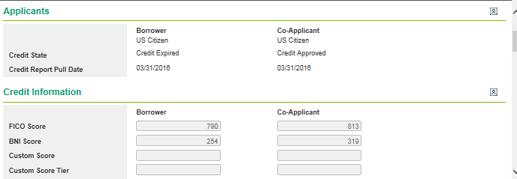

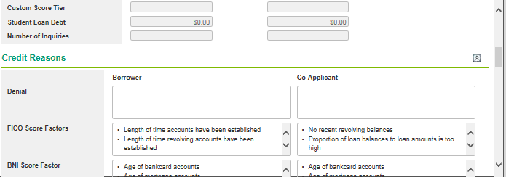

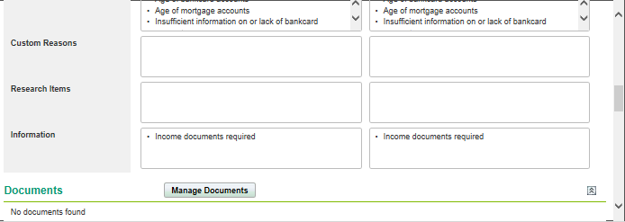

 |  |  |  |  |  |  |  |  |  |  |  |  |  |  |  |  |  |  | Income verification is missing for App status - Rejected by Lender

Creditors-Tab
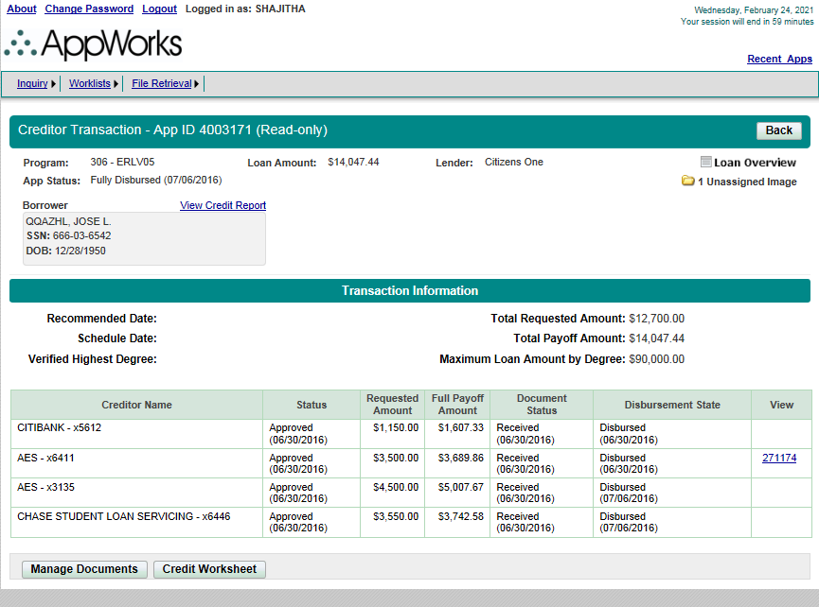
Page | Section | ScreenFields | Comments | Database Schema | Database Table | Database Column | Derivation Logic (If a derived field) | Comments | ERLV/ERLF | ParentERLV/ParentERLF | Priority
Creditor Transaction | Creditor Transaction | AppId |  |  |  |  |  |  |  |  | 1-Must Have
Creditor Transaction | Creditor Transaction | Program |  |  |  |  |  |  |  |  | 1-Must Have
Creditor Transaction | Creditor Transaction | Loan Amount |  |  |  |  |  |  |  |  | 1-Must Have
Creditor Transaction | Creditor Transaction | Lender |  |  |  |  |  |  |  |  | 1-Must Have
Creditor Transaction | Creditor Transaction | App Status |  |  |  |  |  |  |  |  | 1-Must Have
Creditor Transaction | Creditor Transaction | Loan Overview | Hyperlink |  |  |  |  |  |  |  | 1-Must Have
Creditor Transaction | Creditor Transaction | Unassigned Image | Hyperlink - navigates to Assign Images to Loan Documents |  |  |  |  |  |  |  | 1-Must Have
Creditor Transaction | Creditor Transaction | View Credit Report | Hyperlink |  |  |  |  |  |  |  | 1-Must Have
Creditor Transaction | Borrower | Borrower Name |  |  |  |  |  |  |  |  | 1-Must Have
Creditor Transaction | Borrower | SSN |  |  |  |  |  |  |  |  | 1-Must Have
Creditor Transaction | Borrower | DOB |  |  |  |  |  |  |  |  | 1-Must Have
Creditor Transaction | Co-Applicant | View Credit Report | Hyperlink |  |  |  |  |  |  |  | 1-Must Have
Creditor Transaction | Co-Applicant | Co-Applicant Name |  |  |  |  |  |  |  |  | 1-Must Have
Creditor Transaction | Co-Applicant | SSN |  |  |  |  |  |  |  |  | 1-Must Have
Creditor Transaction | Co-Applicant | DOB |  |  |  |  |  |  |  |  | 1-Must Have
Creditor Transaction | Transaction Information | Recommended Date |  |  |  |  |  |  |  |  | 1-Must Have
Creditor Transaction | Transaction Information | Schedule Date |  |  |  |  |  |  |  |  | 1-Must Have
Creditor Transaction | Transaction Information | Verified Highest Degree |  |  |  |  |  |  |  |  | 1-Must Have
Creditor Transaction | Transaction Information | Total Requested Amount |  |  |  |  |  |  |  |  | 1-Must Have
Creditor Transaction | Transaction Information | Total Payoff amount |  |  |  |  |  |  |  |  | 1-Must Have
Creditor Transaction | Transaction Information | Maximum Loan Amount by Degree |  |  |  |  |  |  |  |  | 1-Must Have
Creditor Transaction | Transaction Information | Creditor Name | Table |  |  |  |  |  |  |  | 1-Must Have
Creditor Transaction | Transaction Information | Status | Table |  |  |  |  |  |  |  | 1-Must Have
Creditor Transaction | Transaction Information | Requested Amount | Table |  |  |  |  |  |  |  | 1-Must Have
Creditor Transaction | Transaction Information | Full Payoff Amount | Table |  |  |  |  |  |  |  | 1-Must Have
Creditor Transaction | Transaction Information | Document Status | Table |  |  |  |  |  |  |  | 1-Must Have
Creditor Transaction | Transaction Information | Disbursement State | Table |  |  |  |  |  |  |  | 1-Must Have
Creditor Transaction | Transaction Information | View | Table |  |  |  |  |  |  |  | 1-Must Have
Creditor Transaction | Creditor Details |  | Appears on clicking the 'Creditor Name' |  |  |  |  |  |  |  | 1-Must Have
Creditor Transaction | Borrower Provided Information & Verified Information | Creditor |  |  |  |  |  |  |  |  | 1-Must Have
Creditor Transaction | Borrower Provided Information & Verified Information | Loan Cosigned |  |  |  |  |  |  |  |  | 1-Must Have
Creditor Transaction | Borrower Provided Information & Verified Information | Account Number |  |  |  |  |  |  |  |  | 1-Must Have
Creditor Transaction | Borrower Provided Information & Verified Information | Fees Due |  |  |  |  |  |  |  |  | 1-Must Have
Creditor Transaction | Borrower Provided Information & Verified Information | Monthly Payment Amount |  |  |  |  |  |  |  |  | 1-Must Have
Creditor Transaction | Borrower Provided Information & Verified Information | Next Payment Date |  |  |  |  |  |  |  |  | 1-Must Have
Creditor Transaction | Borrower Provided Information & Verified Information | Loan Type |  |  |  |  |  |  |  |  | 1-Must Have
Creditor Transaction | Borrower Provided Information & Verified Information | Interest Rate Type |  |  |  |  |  |  |  |  | 1-Must Have
Creditor Transaction | Borrower Provided Information & Verified Information | Interest Rate |  |  |  |  |  |  |  |  | 1-Must Have
Creditor Transaction | Borrower Provided Information | Requested Amount |  |  |  |  |  |  |  |  | 1-Must Have
Creditor Transaction | Borrower Provided Information | Status |  |  |  |  |  |  |  |  | 1-Must Have
Creditor Transaction | Verified Information | Interest Number of Days |  |  |  |  |  |  |  |  | 1-Must Have
Creditor Transaction | Verified Information | Loan Amount |  |  |  |  |  |  |  |  | 1-Must Have
Creditor Transaction | Verified Information | Full Payoff Amount |  |  |  |  |  |  |  |  | 1-Must Have
Creditor Transaction |  | Manage Documents | Navigates to Docs page |  |  |  |  |  |  |  | 3-Not Needed
Creditor Transaction |  | Credit Worksheet | Navigates to Credit page |  |  |  |  |  |  |  | 3-Not Needed

Docs-Tab
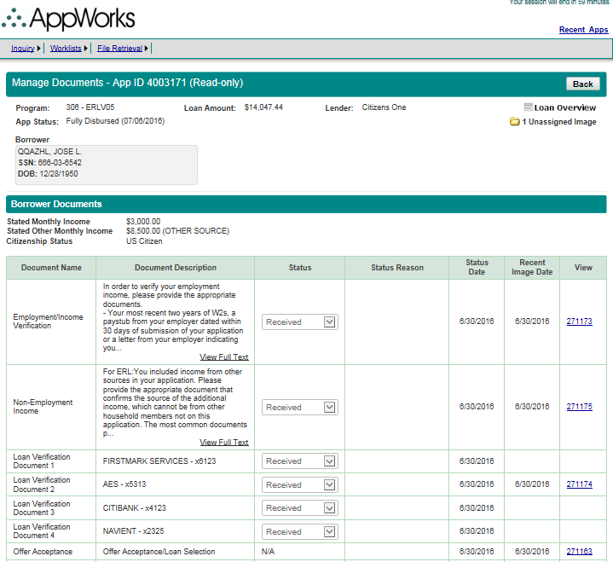
Page | Section | ScreenFields | Comments | Database Schema | Database Table | Database Column | Derivation Logic (If a derived field) | Comments | ERLV/ERLF | ParentERLV/ParentERLF | StuV/StuF/MYStu/MYStuAdd | PLV/PLF/MYPL/MYPLAdd | Apple | Harvard | BarStudy | ResidencyV/ResidencyF/MYResidency/MYResidencyAdd | Personal | Priority
Manage Documents | Manage Documents | AppId |  |  |  |  |  |  |  |  |  |  |  |  |  |  |  | 1-Must Have
Manage Documents | Manage Documents | Program |  |  |  |  |  |  |  |  |  |  |  |  |  |  |  | 1-Must Have
Manage Documents | Manage Documents | Loan Amount |  |  |  |  |  |  |  |  |  |  |  |  |  |  |  | 1-Must Have
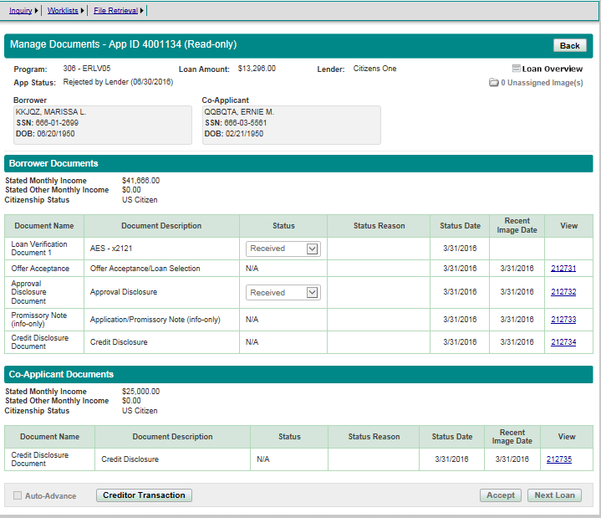
Manage Documents | Manage Documents | Lender |  |  |  |  |  |  |  |  |  |  |  |  |  |  |  | 1-Must Have
Manage Documents | Manage Documents | App Status |  |  |  |  |  |  |  |  |  |  |  |  |  |  |  | 1-Must Have
Manage Documents | Manage Documents | Loan Overview |  |  |  |  |  |  |  |  |  |  |  |  |  |  |  | 1-Must Have
Manage Documents | Borrower | Borrower Name |  |  |  |  |  |  |  |  |  |  |  |  |  |  |  | 1-Must Have
Manage Documents | Borrower | SSN |  |  |  |  |  |  |  |  |  |  |  |  |  |  |  | 1-Must Have
Manage Documents | Borrower | DOB |  |  |  |  |  |  |  |  |  |  |  |  |  |  |  | 1-Must Have
Manage Documents | Co-Applicant | Co-Applicant Name |  |  |  |  |  |  |  |  |  |  |  |  |  |  |  | 1-Must Have
Manage Documents | Co-Applicant | SSN |  |  |  |  |  |  |  |  |  |  |  |  |  |  |  | 1-Must Have
Manage Documents | Co-Applicant | DOB |  |  |  |  |  |  |  |  |  |  |  |  |  |  |  | 1-Must Have
Manage Documents | Student | Student Name |  |  |  |  |  |  |  |  |  |  |  |  |  |  |  | 1-Must Have
Manage Documents | Student | SSN |  |  |  |  |  |  |  |  |  |  |  |  |  |  |  | 1-Must Have
Manage Documents | Student | DOB |  |  |  |  |  |  |  |  |  |  |  |  |  |  |  | 1-Must Have
Manage Documents | Borrower Documents | Stated Monthly Income |  |  |  |  |  |  |  |  |  |  |  |  |  |  |  | 1-Must Have
Manage Documents | Borrower Documents | Stated Other Monthly Income |  |  |  |  |  |  |  |  |  |  |  |  |  |  |  | 1-Must Have
Manage Documents | Borrower Documents | Citizenship Status |  |  |  |  |  |  |  |  |  |  |  |  |  |  |  | 1-Must Have
Manage Documents | Borrower Documents | Document Name | Table |  |  |  |  |  |  |  |  |  |  |  |  |  |  | 1-Must Have
Manage Documents | Borrower Documents | Document Ddescription | Table |  |  |  |  |  |  |  |  |  |  |  |  |  |  | 1-Must Have
Manage Documents | Borrower Documents | Status | Table |  |  |  |  |  |  |  |  |  |  |  |  |  |  | 1-Must Have
Manage Documents | Borrower Documents | Status Reason | Table |  |  |  |  |  |  |  |  |  |  |  |  |  |  | 1-Must Have
Manage Documents | Borrower Documents | Status Date | Table |  |  |  |  |  |  |  |  |  |  |  |  |  |  | 1-Must Have
Manage Documents | Borrower Documents | Recent Image Date | Table |  |  |  |  |  |  |  |  |  |  |  |  |  |  | 1-Must Have
Manage Documents | Borrower Documents | View | Hyperlink which opens the document |  |  |  |  |  |  |  |  |  |  |  |  |  |  | 1-Must Have
Manage Documents | Co-Applicant Documents | Stated Monthly Income |  |  |  |  |  |  |  |  |  |  |  |  |  |  |  | 1-Must Have
Manage Documents | Co-Applicant Documents | Stated Other Monthly Income |  |  |  |  |  |  |  |  |  |  |  |  |  |  |  | 1-Must Have
Manage Documents | Co-Applicant Documents | Citizenship Status |  |  |  |  |  |  |  |  |  |  |  |  |  |  |  | 1-Must Have
Manage Documents | Co-Applicant Documents | Document Name | Table |  |  |  |  |  |  |  |  |  |  |  |  |  |  | 1-Must Have
Manage Documents | Co-Applicant Documents | Document Ddescription | Table |  |  |  |  |  |  |  |  |  |  |  |  |  |  | 1-Must Have
Manage Documents | Co-Applicant Documents | Status | Table |  |  |  |  |  |  |  |  |  |  |  |  |  |  | 1-Must Have
Manage Documents | Co-Applicant Documents | Status Reason | Table |  |  |  |  |  |  |  |  |  |  |  |  |  |  | 1-Must Have
Manage Documents | Co-Applicant Documents | Status Date | Table |  |  |  |  |  |  |  |  |  |  |  |  |  |  | 1-Must Have
Manage Documents | Co-Applicant Documents | Recent Image Date | Table |  |  |  |  |  |  |  |  |  |  |  |  |  |  | 1-Must Have
Manage Documents | Co-Applicant Documents | View | Hyperlink which opens the document |  |  |  |  |  |  |  |  |  |  |  |  |  |  | 1-Must Have

History-Tab
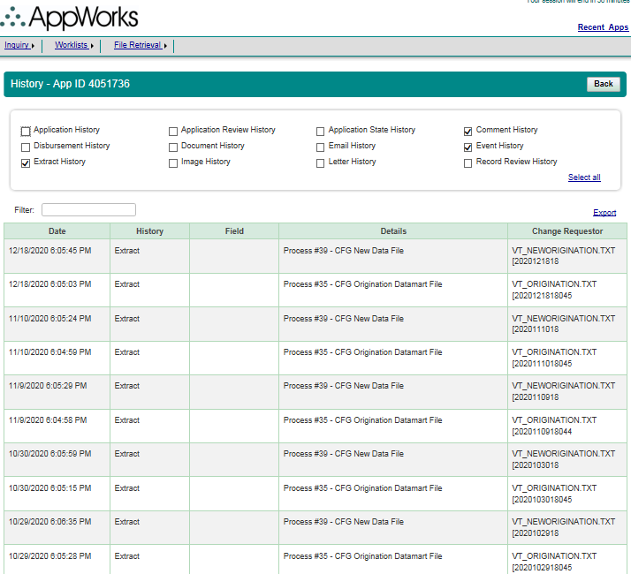
Page | Section | ScreenFields | Comments | Database Schema | Database Table | Database Column | Derivation Logic (If a derived field) | Comments | All Loan Programs | Priority
History | History | Application History |  |  |  |  |  |  |  | 1-Must Have
History | History | Application Review History |  |  |  |  |  |  |  | 1-Must Have
History | History | Application State History |  |  |  |  |  |  |  | 1-Must Have
History | History | Comment History |  |  |  |  |  |  |  | 1-Must Have
History | History | Disbursement History |  |  |  |  |  |  |  | 1-Must Have
History | History | Document History |  |  |  |  |  |  |  | 1-Must Have
History | History | Email History |  |  |  |  |  |  |  | 1-Must Have
History | History | Event History |  |  |  |  |  |  |  | 1-Must Have
History | History | Extract History |  |  |  |  |  |  |  | 1-Must Have
History | History | Image History |  |  |  |  |  |  |  | 1-Must Have
History | History | Letter History |  |  |  |  |  |  |  | 1-Must Have
History | History | Record Review History |  |  |  |  |  |  |  | 1-Must Have
 |  | Select all | Option to select/remove all options |  |  |  |  |  |  | 1-Must Have
History |  | Filter | Keywords are searched on 'Field' and 'Details' |  |  |  |  |  |  | 1-Must Have
History |  | Export | Export all the history to csv file |  |  |  |  |  |  | 1-Must Have
History | Result Table | Date |  |  |  |  |  |  |  | 1-Must Have
History | Result Table | History |  |  |  |  |  |  |  | 1-Must Have
History | Result Table | Field |  |  |  |  |  |  |  | 1-Must Have
History | Result Table | Details |  |  |  |  |  |  |  | 1-Must Have
History | Result Table | Change Requestor |  |  |  |  |  |  |  | 1-Must Have

AppReview - Tab
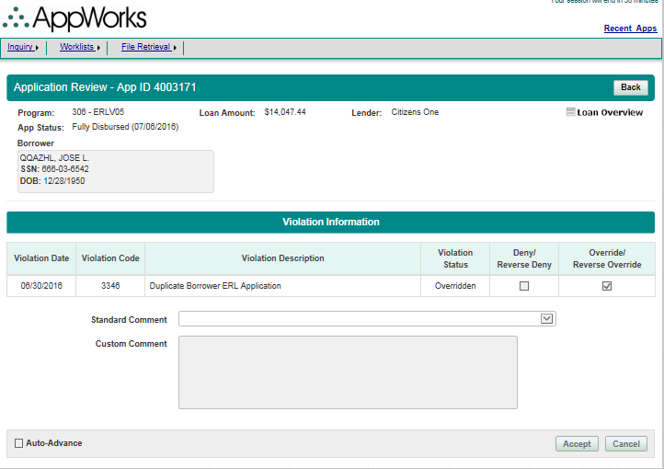
Page | Section | ScreenFields | Comments | Database Schema | Database Table | Database Column | Derivation Logic (If a derived field) | Comments | ERLV/ERLF | ParentERLV/ParentERLF | StuV/StuF/MYStu/MYStuAdd | PLV/PLF/MYPL/MYPLAdd | Apple | Harvard | BarStudy | ResidencyV/ResidencyF/MYResidency/MYResidencyAdd | Personal | Priority
Application Review | Application Review | AppId |  |  |  |  |  |  |  |  |  |  |  |  |  |  |  | 1-Must Have
Application Review | Application Review | Program |  |  |  |  |  |  |  |  |  |  |  |  |  |  |  | 1-Must Have
Application Review | Application Review | Loan Amount |  |  |  |  |  |  |  |  |  |  |  |  |  |  |  | 1-Must Have
Application Review | Application Review | Lender |  |  |  |  |  |  |  |  |  |  |  |  |  |  |  | 1-Must Have
Application Review | Application Review | App Status |  |  |  |  |  |  |  |  |  |  |  |  |  |  |  | 1-Must Have
Application Review | Borrower | Borrower Name |  |  |  |  |  |  |  |  |  |  |  |  |  |  |  | 1-Must Have
Application Review | Borrower | SSN |  |  |  |  |  |  |  |  |  |  |  |  |  |  |  | 1-Must Have
Application Review | Borrower | DOB |  |  |  |  |  |  |  |  |  |  |  |  |  |  |  | 1-Must Have
Application Review | Co-Applicant | Co-Applicant Name |  |  |  |  |  |  |  |  |  |  |  |  |  |  |  | 1-Must Have
Application Review | Co-Applicant | SSN |  |  |  |  |  |  |  |  |  |  |  |  |  |  |  | 1-Must Have
Application Review | Co-Applicant | DOB |  |  |  |  |  |  |  |  |  |  |  |  |  |  |  | 1-Must Have
Application Review | Student | Student Name |  |  |  |  |  |  |  |  |  |  |  |  |  |  |  | 1-Must Have
Application Review | Student | SSN |  |  |  |  |  |  |  |  |  |  |  |  |  |  |  | 1-Must Have
Application Review | Student | DOB |  |  |  |  |  |  |  |  |  |  |  |  |  |  |  | 1-Must Have
Application Review | Violation Information | Violation Date |  |  |  |  |  |  |  |  |  |  |  |  |  |  |  | 1-Must Have
Application Review | Violation Information | Violation Code |  |  |  |  |  |  |  |  |  |  |  |  |  |  |  | 1-Must Have
Application Review | Violation Information | Violation Description |  |  |  |  |  |  |  |  |  |  |  |  |  |  |  | 1-Must Have
Application Review | Violation Information | Violation Status |  |  |  |  |  |  |  |  |  |  |  |  |  |  |  | 1-Must Have
Application Review | Violation Information | Deny/Reverse Deny |  |  |  |  |  |  |  |  |  |  |  |  |  |  |  | 1-Must Have
Application Review | Violation Information | Override/Reverse Override |  |  |  |  |  |  |  |  |  |  |  |  |  |  |  | 1-Must Have
Application Review | Violation Information | Standard Comment |  |  |  |  |  |  |  |  |  |  |  |  |  |  |  | 3-Not Needed
Application Review | Violation Information | Custom Comment |  |  |  |  |  |  |  |  |  |  |  |  |  |  |  | 3-Not Needed
Application Review | Violation Information | Auto Advance |  |  |  |  |  |  |  |  |  |  |  |  |  |  |  | 3-Not Needed

View Credit Report - Link
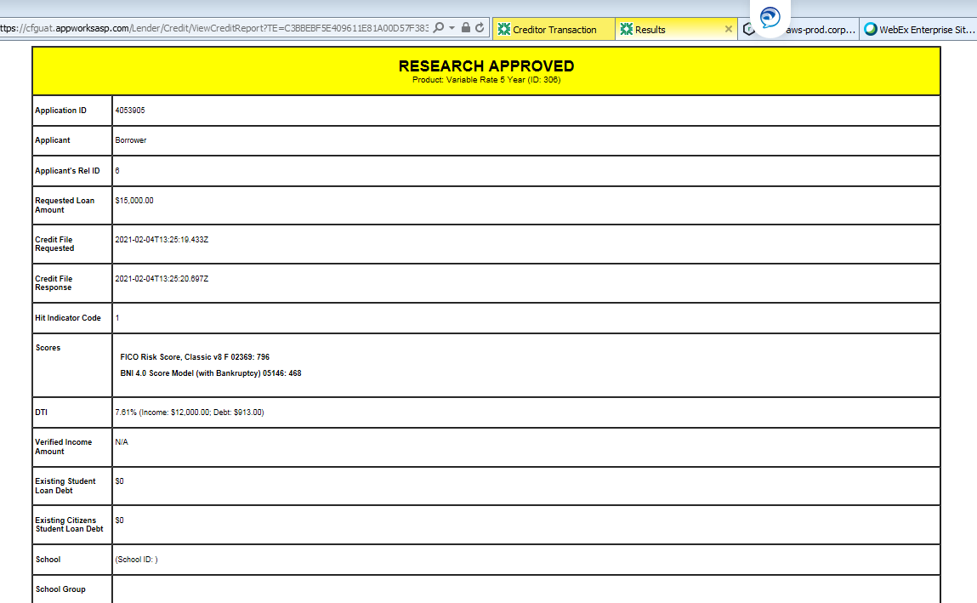
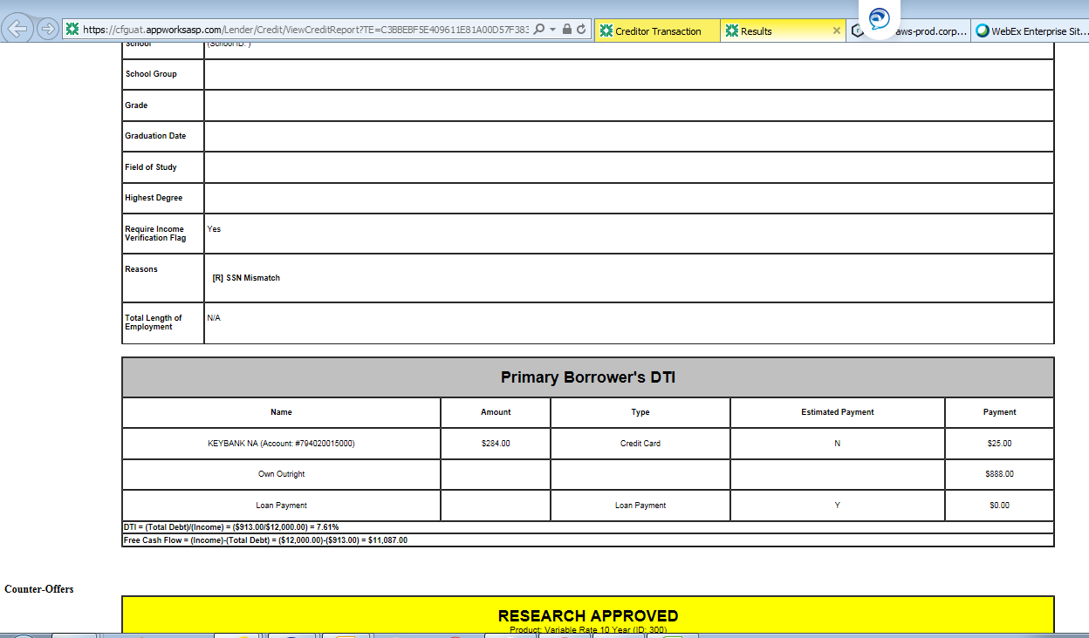
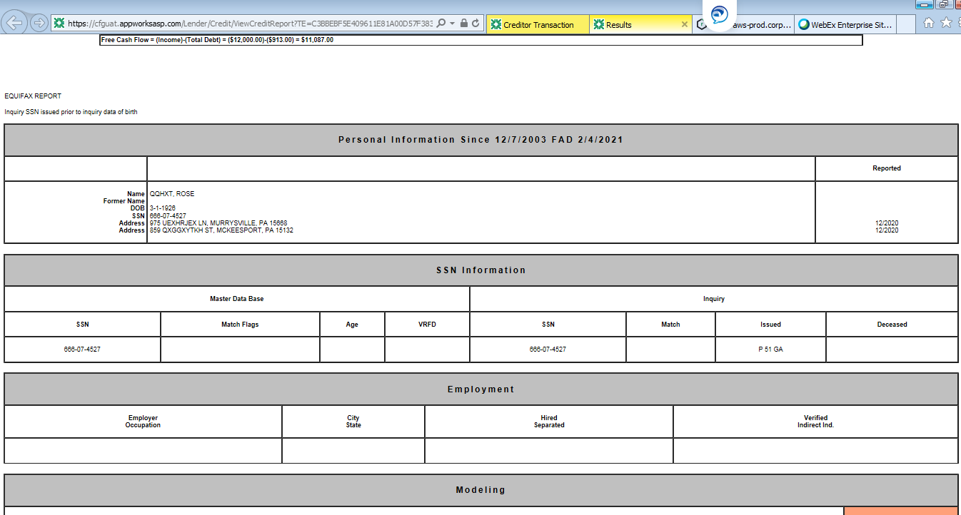
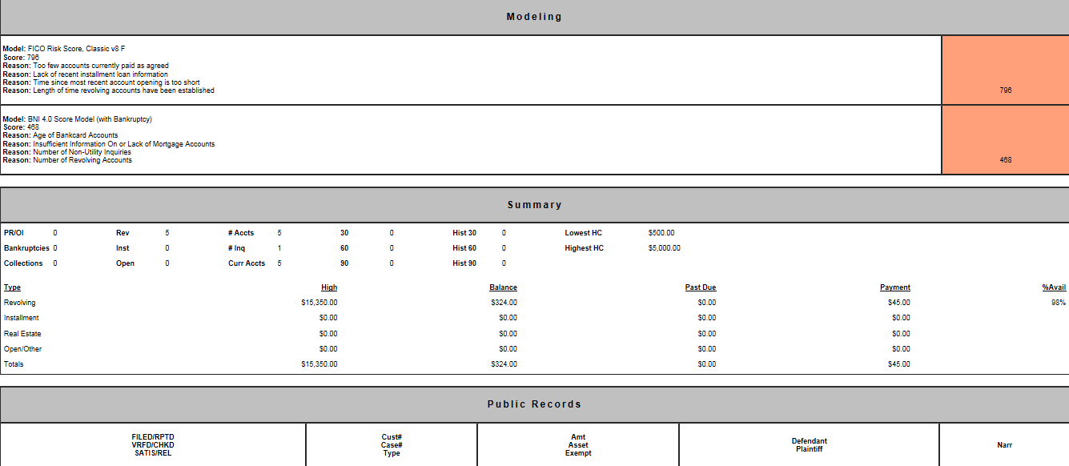

Is the Credit report generated from AppWorks DB or is it pulled real time from Credit Bureau?
To check with Anovva

Need the logic involved in pulling this report.

FileRetrieval-View Reports
Description | File Name | Schedule
Aging Report | rpt1021Aging-20210428040007_VER1.pdf | M-F
Change Transaction Report | rpt1040CashTransaction-20210428003007_VER1.pdf | T-S

Disbursement Forecast Report | rpt1010DisbForecast-20210428003006_VER1.pdf | T-S
Financial Transaction Reconciliation Report | rpt3000FinancialTransRecon-20210428003007_VER1.pdf | Daily
Financial Transaction Reconciliation Report | rpt3000FinancialTransRecon-20210428003007.TXT | Daily
Lender Monthly Manifest Report | rpt2019LenderMonthManifest-20210402050011_VER1.pdf | Monthly
Pre-Disbursement Report | rpt1024PreDisb-20210428033006_VER1.pdf | M-F
Pre-Disbursement Report | rpt1024PreDisb-AL-20210428033006.TXT | M-F
Pre-Disbursement Report | rpt1024PreDisb-PCL-20210428033006.TXT | M-F
Pre-Disbursement Report | rpt1024PreDisb-PER-20210428033006.TXT | M-F
Processing Summary Report | rpt1032ProcessingSummary-20210428003007_VER1.pdf | T-S
Profile Control Report | rpt2014ProfileControlReport-a-20210428003007_VER1.pdf | T-S
School Disbursement Report - Alternative Loans | rpt1042SchDisbAltLoansRpt-20210428033015_VER1.pdf | M-F
Servicer Conversion Report | rpt1001SalesConvDBTotals-20210428003006_VER1.pdf | T-S

